Trial 1
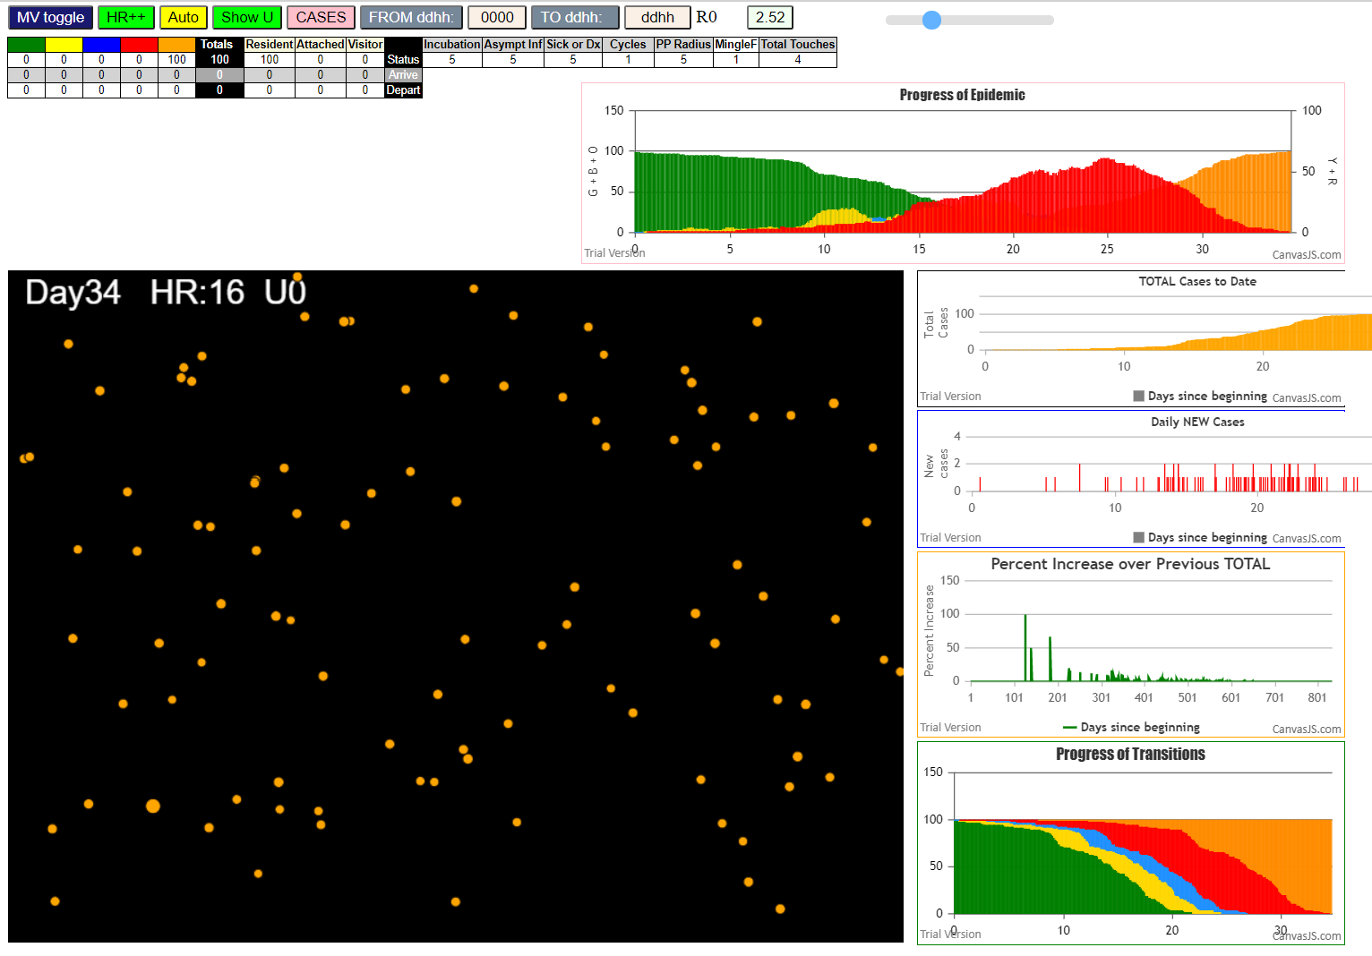
mF = 3 in .csv person file
simulation.js:4150 exit covidSim
simulation.js:23 getAsText File
simulation.js:32 File
simulation.js:23 getAsText File
simulation.js:32 File
simulation.js:1990 1I j:famKey 97:-1 infected by blue i:famKey 10:-1 at gen 10 in Univ0
simulation.js:2006 2I i:famKey 1:-1 infected by red j:famKey 10:-1 at gen 27 in U0
simulation.js:1990 3I j:famKey 23:-1 infected by red i:famKey 10:-1 at gen 59 in Univ0
simulation.js:1990 4I j:famKey 69:-1 infected by red i:famKey 10:-1 at gen 66 in Univ0
simulation.js:1990 5I j:famKey 21:-1 infected by red i:famKey 10:-1 at gen 110 in Univ0
simulation.js:1990 6I j:famKey 81:-1 infected by red i:famKey 10:-1 at gen 113 in Univ0
simulation.js:1990 7I j:famKey 14:-1 infected by red i:famKey 10:-1 at gen 133 in Univ0
simulation.js:1990 8I j:famKey 45:-1 infected by blue i:famKey 23:-1 at gen 155 in Univ0
simulation.js:1990 9I j:famKey 77:-1 infected by red i:famKey 10:-1 at gen 168 in Univ0
simulation.js:1990 10I j:famKey 33:-1 infected by blue i:famKey 21:-1 at gen 192 in Univ0
simulation.js:1990 11I j:famKey 91:-1 infected by red i:famKey 23:-1 at gen 199 in Univ0
simulation.js:1990 12I j:famKey 68:-1 infected by red i:famKey 23:-1 at gen 203 in Univ0
simulation.js:1990 13I j:famKey 90:-1 infected by blue i:famKey 21:-1 at gen 211 in Univ0
simulation.js:1990 14I j:famKey 88:-1 infected by blue i:famKey 81:-1 at gen 215 in Univ0
simulation.js:2006 14I i:famKey 59:-1 infected by red j:famKey 97:-1 at gen 216 in U0
simulation.js:2006 16I i:famKey 7:-1 infected by blue j:famKey 81:-1 at gen 218 in U0
simulation.js:1990 17I j:famKey 40:-1 infected by blue i:famKey 14:-1 at gen 220 in Univ0
simulation.js:2006 17I i:famKey 32:-1 infected by red j:famKey 97:-1 at gen 220 in U0
simulation.js:1990 19I j:famKey 76:-1 infected by red i:famKey 1:-1 at gen 224 in Univ0
simulation.js:1990 19I j:famKey 98:-1 infected by red i:famKey 97:-1 at gen 224 in Univ0
simulation.js:1990 21I j:famKey 78:-1 infected by red i:famKey 69:-1 at gen 226 in Univ0
simulation.js:2006 21I i:famKey 62:-1 infected by blue j:famKey 81:-1 at gen 227 in U0
simulation.js:2006 23I i:famKey 3:-1 infected by blue j:famKey 14:-1 at gen 229 in U0
simulation.js:2006 23I i:famKey 4:-1 infected by red j:famKey 81:-1 at gen 230 in U0
simulation.js:2006 24I i:famKey 19:-1 infected by red j:famKey 97:-1 at gen 231 in U0
simulation.js:1990 26I j:famKey 37:-1 infected by red i:famKey 1:-1 at gen 234 in Univ0
simulation.js:1990 27I j:famKey 5:-1 infected by red i:famKey 1:-1 at gen 236 in Univ0
simulation.js:1990 28I j:famKey 39:-1 infected by red i:famKey 1:-1 at gen 243 in Univ0
simulation.js:1990 29I j:famKey 79:-1 infected by blue i:famKey 45:-1 at gen 257 in Univ0
simulation.js:1990 30I j:famKey 93:-1 infected by red i:famKey 14:-1 at gen 260 in Univ0
simulation.js:2006 31I i:famKey 0:-1 infected by blue j:famKey 45:-1 at gen 266 in U0
simulation.js:1990 32I j:famKey 73:-1 infected by red i:famKey 69:-1 at gen 273 in Univ0
simulation.js:2006 33I i:famKey 2:-1 infected by blue j:famKey 77:-1 at gen 287 in U0
simulation.js:1990 34I j:famKey 54:-1 infected by blue i:famKey 33:-1 at gen 289 in Univ0
simulation.js:1990 35I j:famKey 92:-1 infected by red i:famKey 45:-1 at gen 297 in Univ0
simulation.js:1990 35I j:famKey 92:-1 infected by red i:famKey 69:-1 at gen 297 in Univ0
simulation.js:1990 35I j:famKey 34:-1 infected by red i:famKey 21:-1 at gen 298 in Univ0
simulation.js:2006 37I i:famKey 17:-1 infected by blue j:famKey 91:-1 at gen 310 in U0
simulation.js:2006 38I i:famKey 9:-1 infected by red j:famKey 14:-1 at gen 317 in U0
simulation.js:1990 39I j:famKey 60:-1 infected by red i:famKey 23:-1 at gen 319 in Univ0
simulation.js:2006 39I i:famKey 36:-1 infected by blue j:famKey 90:-1 at gen 319 in U0
simulation.js:2006 39I i:famKey 66:-1 infected by blue j:famKey 68:-1 at gen 320 in U0
simulation.js:1990 42I j:famKey 85:-1 infected by blue i:famKey 32:-1 at gen 326 in Univ0
simulation.js:1990 42I j:famKey 38:-1 infected by red i:famKey 14:-1 at gen 327 in Univ0
simulation.js:1990 43I j:famKey 18:-1 infected by blue i:famKey 3:-1 at gen 328 in Univ0
simulation.js:2006 45I i:famKey 43:-1 infected by blue j:famKey 76:-1 at gen 330 in U0
simulation.js:1990 46I j:famKey 29:-1 infected by blue i:famKey 4:-1 at gen 341 in Univ0
simulation.js:2006 47I i:famKey 50:-1 infected by red j:famKey 76:-1 at gen 346 in U0
simulation.js:1990 47I j:famKey 70:-1 infected by red i:famKey 7:-1 at gen 347 in Univ0
simulation.js:2006 48I i:famKey 72:-1 infected by red j:famKey 90:-1 at gen 348 in U0
simulation.js:2006 50I i:famKey 75:-1 infected by blue j:famKey 79:-1 at gen 350 in U0
simulation.js:2006 51I i:famKey 61:-1 infected by red j:famKey 68:-1 at gen 352 in U0
simulation.js:2006 51I i:famKey 52:-1 infected by red j:famKey 90:-1 at gen 353 in U0
simulation.js:1990 53I j:famKey 41:-1 infected by blue i:famKey 39:-1 at gen 358 in Univ0
simulation.js:2006 54I i:famKey 53:-1 infected by red j:famKey 78:-1 at gen 361 in U0
simulation.js:2006 54I i:famKey 24:-1 infected by blue j:famKey 39:-1 at gen 362 in U0
simulation.js:1990 56I j:famKey 42:-1 infected by red i:famKey 37:-1 at gen 365 in Univ0
simulation.js:2006 57I i:famKey 65:-1 infected by red j:famKey 76:-1 at gen 377 in U0
simulation.js:2006 57I i:famKey 15:-1 infected by red j:famKey 39:-1 at gen 378 in U0
simulation.js:1990 58I j:famKey 99:-1 infected by blue i:famKey 79:-1 at gen 379 in Univ0
simulation.js:1990 60I j:famKey 63:-1 infected by red i:famKey 7:-1 at gen 384 in Univ0
simulation.js:2006 61I i:famKey 27:-1 infected by red j:famKey 73:-1 at gen 386 in U0
simulation.js:1990 61I j:famKey 8:-1 infected by red i:famKey 7:-1 at gen 387 in Univ0
simulation.js:2006 62I i:famKey 25:-1 infected by red j:famKey 37:-1 at gen 388 in U0
simulation.js:2006 64I i:famKey 20:-1 infected by red j:famKey 78:-1 at gen 392 in U0
simulation.js:1990 65I j:famKey 30:-1 infected by red i:famKey 3:-1 at gen 394 in Univ0
simulation.js:1990 66I j:famKey 12:-1 infected by red i:famKey 3:-1 at gen 402 in Univ0
simulation.js:2006 66I i:famKey 35:-1 infected by red j:famKey 91:-1 at gen 403 in U0
simulation.js:1990 68I j:famKey 95:-1 infected by red i:famKey 32:-1 at gen 406 in Univ0
simulation.js:2006 69I i:famKey 57:-1 infected by red j:famKey 62:-1 at gen 408 in U0
simulation.js:2006 69I i:famKey 13:-1 infected by red j:famKey 91:-1 at gen 409 in U0
simulation.js:1990 71I j:famKey 64:-1 infected by red i:famKey 37:-1 at gen 413 in Univ0
simulation.js:1990 71I j:famKey 96:-1 infected by blue i:famKey 60:-1 at gen 413 in Univ0
simulation.js:1990 73I j:famKey 82:-1 infected by red i:famKey 33:-1 at gen 415 in Univ0
simulation.js:1990 73I j:famKey 71:-1 infected by red i:famKey 0:-1 at gen 416 in Univ0
simulation.js:1990 75I j:famKey 74:-1 infected by red i:famKey 33:-1 at gen 419 in Univ0
simulation.js:1990 76I j:famKey 86:-1 infected by red i:famKey 78:-1 at gen 421 in Univ0
simulation.js:1990 76I j:famKey 47:-1 infected by red i:famKey 2:-1 at gen 422 in Univ0
simulation.js:1990 77I j:famKey 51:-1 infected by red i:famKey 0:-1 at gen 423 in Univ0
simulation.js:2006 77I i:famKey 6:-1 infected by blue j:famKey 9:-1 at gen 423 in U0
simulation.js:1990 77I j:famKey 80:-1 infected by blue i:famKey 66:-1 at gen 423 in Univ0
simulation.js:1990 81I j:famKey 89:-1 infected by red i:famKey 33:-1 at gen 430 in Univ0
simulation.js:2006 81I i:famKey 58:-1 infected by blue j:famKey 66:-1 at gen 430 in U0
simulation.js:1990 83I j:famKey 67:-1 infected by red i:famKey 39:-1 at gen 434 in Univ0
simulation.js:1990 84I j:famKey 83:-1 infected by blue i:famKey 50:-1 at gen 444 in Univ0
simulation.js:1990 85I j:famKey 48:-1 infected by red i:famKey 19:-1 at gen 446 in Univ0
simulation.js:2006 86I i:famKey 16:-1 infected by blue j:famKey 70:-1 at gen 450 in U0
simulation.js:1990 87I j:famKey 49:-1 infected by red i:famKey 9:-1 at gen 455 in Univ0
simulation.js:2006 87I i:famKey 11:-1 infected by red j:famKey 37:-1 at gen 455 in U0
simulation.js:2006 89I i:famKey 22:-1 infected by blue j:famKey 52:-1 at gen 461 in U0
simulation.js:1990 90I j:famKey 44:-1 infected by blue i:famKey 42:-1 at gen 463 in Univ0
simulation.js:2006 90I i:famKey 26:-1 infected by red j:famKey 60:-1 at gen 464 in U0
simulation.js:1990 92I j:famKey 87:-1 infected by blue i:famKey 65:-1 at gen 466 in Univ0
simulation.js:1990 93I j:famKey 94:-1 infected by red i:famKey 40:-1 at gen 470 in Univ0
simulation.js:2006 93I i:famKey 28:-1 infected by blue j:famKey 52:-1 at gen 471 in U0
simulation.js:2006 95I i:famKey 31:-1 infected by red j:famKey 70:-1 at gen 477 in U0
simulation.js:2006 95I i:famKey 31:-1 infected by red j:famKey 78:-1 at gen 477 in U0
simulation.js:1990 96I j:famKey 84:-1 infected by red i:famKey 76:-1 at gen 505 in Univ0
simulation.js:1990 97I j:famKey 55:-1 infected by red i:famKey 17:-1 at gen 508 in Univ0
simulation.js:2006 98I i:famKey 46:-1 infected by blue j:famKey 96:-1 at gen 525 in U0
simulation.js:1990 99I j:famKey 56:-1 infected by red i:famKey 27:-1 at gen 527 in Univ0

100mF3
2 survivors
simulation.js:4150 exit covidSim
simulation.js:23 getAsText File {name: "HundredAgentsU0mF1.csv", lastModified: 1608077990000, lastModifiedDate: Tue Dec 15 2020 16:19:50 GMT-0800 (Pacific Standard Time), webkitRelativePath: "", size: 2140, …}
simulation.js:32 File {name: "HundredAgentsU0mF1.csv", lastModified: 1608077990000, lastModifiedDate: Tue Dec 15 2020 16:19:50 GMT-0800 (Pacific Standard Time), webkitRelativePath: "", size: 2140, …}
simulation.js:23 getAsText File {name: "VL1.csv", lastModified: 1603760180000, lastModifiedDate: Mon Oct 26 2020 17:56:20 GMT-0700 (Pacific Daylight Time), webkitRelativePath: "", size: 66, …}
simulation.js:32 File {name: "VL1.csv", lastModified: 1603760180000, lastModifiedDate: Mon Oct 26 2020 17:56:20 GMT-0700 (Pacific Daylight Time), webkitRelativePath: "", size: 66, …}
simulation.js:1990 1I j:famKey 82:-1 infected by red i:famKey 10:-1 at gen 33 in Univ0
simulation.js:1990 2I j:famKey 39:-1 infected by red i:famKey 10:-1 at gen 39 in Univ0
simulation.js:1990 3I j:famKey 79:-1 infected by red i:famKey 10:-1 at gen 56 in Univ0
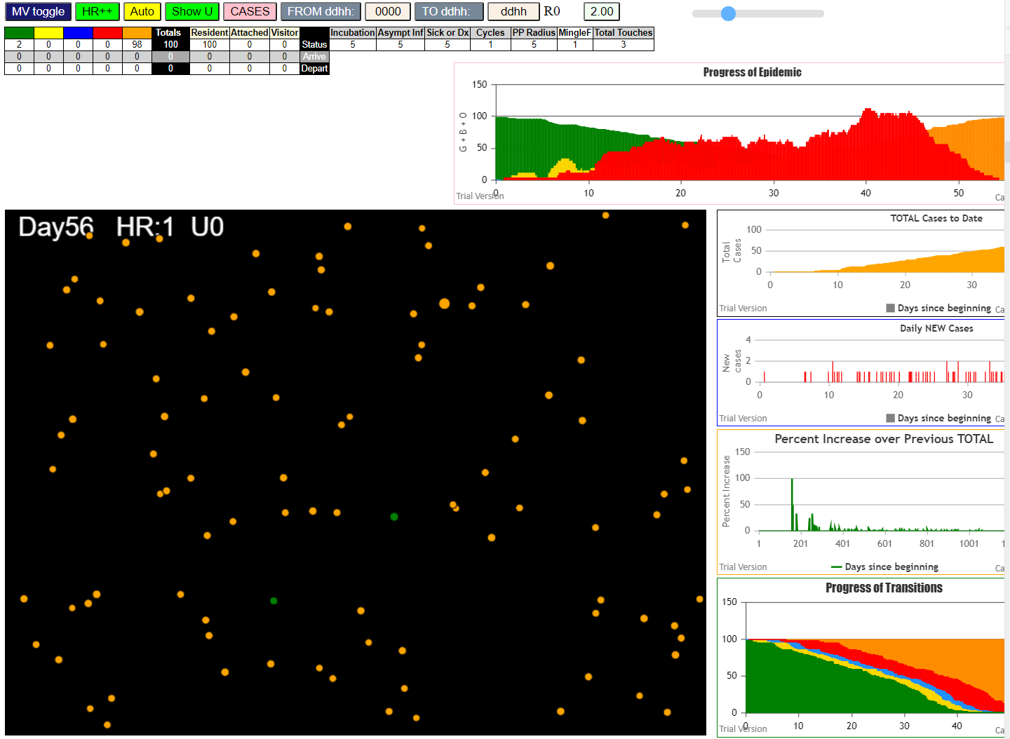
simulation.js:2006 4I i:famKey 32:-1 infected by blue j:famKey 82:-1 at gen 125 in U0
simulation.js:2006 5I i:famKey 69:-1 infected by blue j:famKey 82:-1 at gen 134 in U0
simulation.js:2006 6I i:famKey 75:-1 infected by blue j:famKey 82:-1 at gen 136 in U0
simulation.js:2006 7I i:famKey 55:-1 infected by blue j:famKey 82:-1 at gen 140 in U0
simulation.js:2006 8I i:famKey 77:-1 infected by blue j:famKey 82:-1 at gen 142 in U0
simulation.js:2006 9I i:famKey 67:-1 infected by blue j:famKey 82:-1 at gen 149 in U0
simulation.js:1990 10I j:famKey 27:-1 infected by red i:famKey 10:-1 at gen 155 in Univ0
simulation.js:2006 11I i:famKey 20:-1 infected by blue j:famKey 39:-1 at gen 160 in U0
simulation.js:2006 12I i:famKey 50:-1 infected by red j:famKey 82:-1 at gen 168 in U0
simulation.js:2006 13I i:famKey 40:-1 infected by blue j:famKey 55:-1 at gen 215 in U0
simulation.js:1990 14I j:famKey 53:-1 infected by red i:famKey 39:-1 at gen 218 in Univ0
simulation.js:2006 15I i:famKey 26:-1 infected by blue j:famKey 55:-1 at gen 225 in U0
simulation.js:1990 16I j:famKey 98:-1 infected by blue i:famKey 32:-1 at gen 237 in Univ0
simulation.js:1990 17I j:famKey 97:-1 infected by blue i:famKey 67:-1 at gen 245 in Univ0
simulation.js:2006 18I i:famKey 46:-1 infected by red j:famKey 82:-1 at gen 261 in U0
simulation.js:2006 19I i:famKey 0:-1 infected by blue j:famKey 50:-1 at gen 268 in U0
simulation.js:2006 20I i:famKey 9:-1 infected by blue j:famKey 40:-1 at gen 291 in U0
simulation.js:1990 21I j:famKey 87:-1 infected by red i:famKey 55:-1 at gen 299 in Univ0
simulation.js:2006 22I i:famKey 1:-1 infected by blue j:famKey 53:-1 at gen 314 in U0
simulation.js:1990 23I j:famKey 62:-1 infected by red i:famKey 20:-1 at gen 324 in Univ0
simulation.js:2006 24I i:famKey 14:-1 infected by red j:famKey 20:-1 at gen 329 in U0
simulation.js:1990 25I j:famKey 76:-1 infected by red i:famKey 40:-1 at gen 345 in Univ0
simulation.js:2006 26I i:famKey 70:-1 infected by red j:famKey 98:-1 at gen 351 in U0
simulation.js:2006 27I i:famKey 16:-1 infected by red j:famKey 55:-1 at gen 363 in U0
simulation.js:1990 28I j:famKey 84:-1 infected by red i:famKey 26:-1 at gen 369 in Univ0
simulation.js:1990 29I j:famKey 95:-1 infected by red i:famKey 75:-1 at gen 400 in Univ0
simulation.js:2006 30I i:famKey 57:-1 infected by red j:famKey 75:-1 at gen 403 in U0
simulation.js:1990 30I j:famKey 43:-1 infected by red i:famKey 26:-1 at gen 404 in Univ0
simulation.js:1990 31I j:famKey 85:-1 infected by red i:famKey 27:-1 at gen 405 in Univ0
simulation.js:1990 33I j:famKey 74:-1 infected by blue i:famKey 1:-1 at gen 428 in Univ0
simulation.js:1990 33I j:famKey 74:-1 infected by blue i:famKey 62:-1 at gen 428 in Univ0
simulation.js:1990 34I j:famKey 80:-1 infected by blue i:famKey 14:-1 at gen 430 in Univ0
simulation.js:2006 35I i:famKey 38:-1 infected by red j:famKey 97:-1 at gen 445 in U0
simulation.js:1990 36I j:famKey 4:-1 infected by red i:famKey 1:-1 at gen 457 in Univ0
simulation.js:2006 37I i:famKey 31:-1 infected by blue j:famKey 84:-1 at gen 465 in U0
simulation.js:1990 38I j:famKey 92:-1 infected by blue i:famKey 16:-1 at gen 469 in Univ0
simulation.js:1990 39I j:famKey 2:-1 infected by red i:famKey 1:-1 at gen 483 in Univ0
simulation.js:2006 40I i:famKey 51:-1 infected by red j:famKey 57:-1 at gen 533 in U0
simulation.js:2006 41I i:famKey 25:-1 infected by red j:famKey 57:-1 at gen 535 in U0
simulation.js:1990 41I j:famKey 66:-1 infected by red i:famKey 57:-1 at gen 535 in Univ0
simulation.js:1990 43I j:famKey 93:-1 infected by blue i:famKey 4:-1 at gen 557 in Univ0
simulation.js:1990 43I j:famKey 99:-1 infected by red i:famKey 9:-1 at gen 558 in Univ0
simulation.js:2006 45I i:famKey 49:-1 infected by red j:famKey 57:-1 at gen 562 in U0
simulation.js:1990 46I j:famKey 24:-1 infected by blue i:famKey 4:-1 at gen 570 in Univ0
simulation.js:2006 47I i:famKey 63:-1 infected by red j:famKey 76:-1 at gen 573 in U0
simulation.js:1990 48I j:famKey 83:-1 infected by red i:famKey 4:-1 at gen 594 in Univ0
simulation.js:2006 49I i:famKey 34:-1 infected by red j:famKey 38:-1 at gen 607 in U0
simulation.js:2006 50I i:famKey 8:-1 infected by blue j:famKey 25:-1 at gen 612 in U0
simulation.js:1990 51I j:famKey 90:-1 infected by blue i:famKey 66:-1 at gen 632 in Univ0
simulation.js:2006 52I i:famKey 19:-1 infected by blue j:famKey 25:-1 at gen 637 in U0
simulation.js:2006 53I i:famKey 6:-1 infected by red j:famKey 57:-1 at gen 663 in U0
simulation.js:2006 54I i:famKey 58:-1 infected by red j:famKey 66:-1 at gen 677 in U0
simulation.js:1990 55I j:famKey 65:-1 infected by blue i:famKey 24:-1 at gen 683 in Univ0
simulation.js:2006 56I i:famKey 5:-1 infected by red j:famKey 51:-1 at gen 689 in U0
simulation.js:1990 56I j:famKey 89:-1 infected by red i:famKey 66:-1 at gen 690 in Univ0
simulation.js:1990 58I j:famKey 56:-1 infected by red i:famKey 25:-1 at gen 701 in Univ0
simulation.js:1990 58I j:famKey 68:-1 infected by red i:famKey 66:-1 at gen 702 in Univ0
simulation.js:2006 60I i:famKey 35:-1 infected by red j:famKey 93:-1 at gen 717 in U0
simulation.js:1990 61I j:famKey 44:-1 infected by red i:famKey 24:-1 at gen 729 in Univ0
simulation.js:2006 62I i:famKey 18:-1 infected by red j:famKey 24:-1 at gen 732 in U0
simulation.js:2006 63I i:famKey 28:-1 infected by red j:famKey 66:-1 at gen 738 in U0
simulation.js:2006 64I i:famKey 45:-1 infected by red j:famKey 83:-1 at gen 744 in U0
simulation.js:2006 65I i:famKey 78:-1 infected by red j:famKey 83:-1 at gen 751 in U0
simulation.js:2006 66I i:famKey 37:-1 infected by red j:famKey 90:-1 at gen 760 in U0
simulation.js:1990 67I j:famKey 91:-1 infected by red i:famKey 34:-1 at gen 770 in Univ0
simulation.js:1990 68I j:famKey 96:-1 infected by red i:famKey 24:-1 at gen 781 in Univ0
simulation.js:1990 69I j:famKey 81:-1 infected by red i:famKey 49:-1 at gen 789 in Univ0
simulation.js:1990 70I j:famKey 73:-1 infected by red i:famKey 49:-1 at gen 795 in Univ0
simulation.js:2006 70I i:famKey 29:-1 infected by blue j:famKey 65:-1 at gen 796 in U0
simulation.js:2006 72I i:famKey 36:-1 infected by red j:famKey 90:-1 at gen 798 in U0
simulation.js:2006 73I i:famKey 21:-1 infected by red j:famKey 49:-1 at gen 807 in U0
simulation.js:1990 73I j:famKey 22:-1 infected by red i:famKey 6:-1 at gen 808 in Univ0
simulation.js:2006 75I i:famKey 72:-1 infected by red j:famKey 93:-1 at gen 816 in U0
simulation.js:2006 76I i:famKey 42:-1 infected by red j:famKey 65:-1 at gen 823 in U0
simulation.js:1990 76I j:famKey 71:-1 infected by red i:famKey 65:-1 at gen 824 in Univ0
simulation.js:2006 78I i:famKey 15:-1 infected by blue j:famKey 44:-1 at gen 826 in U0
simulation.js:1990 78I j:famKey 59:-1 infected by red i:famKey 6:-1 at gen 827 in Univ0
simulation.js:1990 79I j:famKey 41:-1 infected by blue i:famKey 35:-1 at gen 828 in Univ0
simulation.js:2006 81I i:famKey 7:-1 infected by red j:famKey 63:-1 at gen 830 in U0
simulation.js:1990 82I j:famKey 94:-1 infected by red i:famKey 34:-1 at gen 839 in Univ0
simulation.js:2006 83I i:famKey 23:-1 infected by blue j:famKey 78:-1 at gen 860 in U0
simulation.js:2006 84I i:famKey 3:-1 infected by red j:famKey 18:-1 at gen 871 in U0
simulation.js:1990 85I j:famKey 64:-1 infected by red i:famKey 6:-1 at gen 873 in Univ0
simulation.js:2006 85I i:famKey 86:-1 infected by red j:famKey 90:-1 at gen 873 in U0
simulation.js:2006 87I i:famKey 12:-1 infected by blue j:famKey 73:-1 at gen 887 in U0
simulation.js:2006 88I i:famKey 61:-1 infected by red j:famKey 89:-1 at gen 889 in U0
simulation.js:1990 89I j:famKey 48:-1 infected by red i:famKey 45:-1 at gen 909 in Univ0
simulation.js:1990 90I j:famKey 52:-1 infected by red i:famKey 37:-1 at gen 913 in Univ0
simulation.js:1990 91I j:famKey 60:-1 infected by blue i:famKey 42:-1 at gen 919 in Univ0
simulation.js:2006 92I i:famKey 30:-1 infected by red j:famKey 35:-1 at gen 922 in U0
simulation.js:1990 93I j:famKey 54:-1 infected by red i:famKey 6:-1 at gen 924 in Univ0
simulation.js:2006 94I i:famKey 47:-1 infected by red j:famKey 58:-1 at gen 941 in U0
simulation.js:2006 95I i:famKey 13:-1 infected by red j:famKey 96:-1 at gen 952 in U0
simulation.js:1990 96I j:famKey 88:-1 infected by red i:famKey 36:-1 at gen 988 in Univ0
simulation.js:2006 97I i:famKey 11:-1 infected by red j:famKey 96:-1 at gen 1013 in U0

90
pop = 90

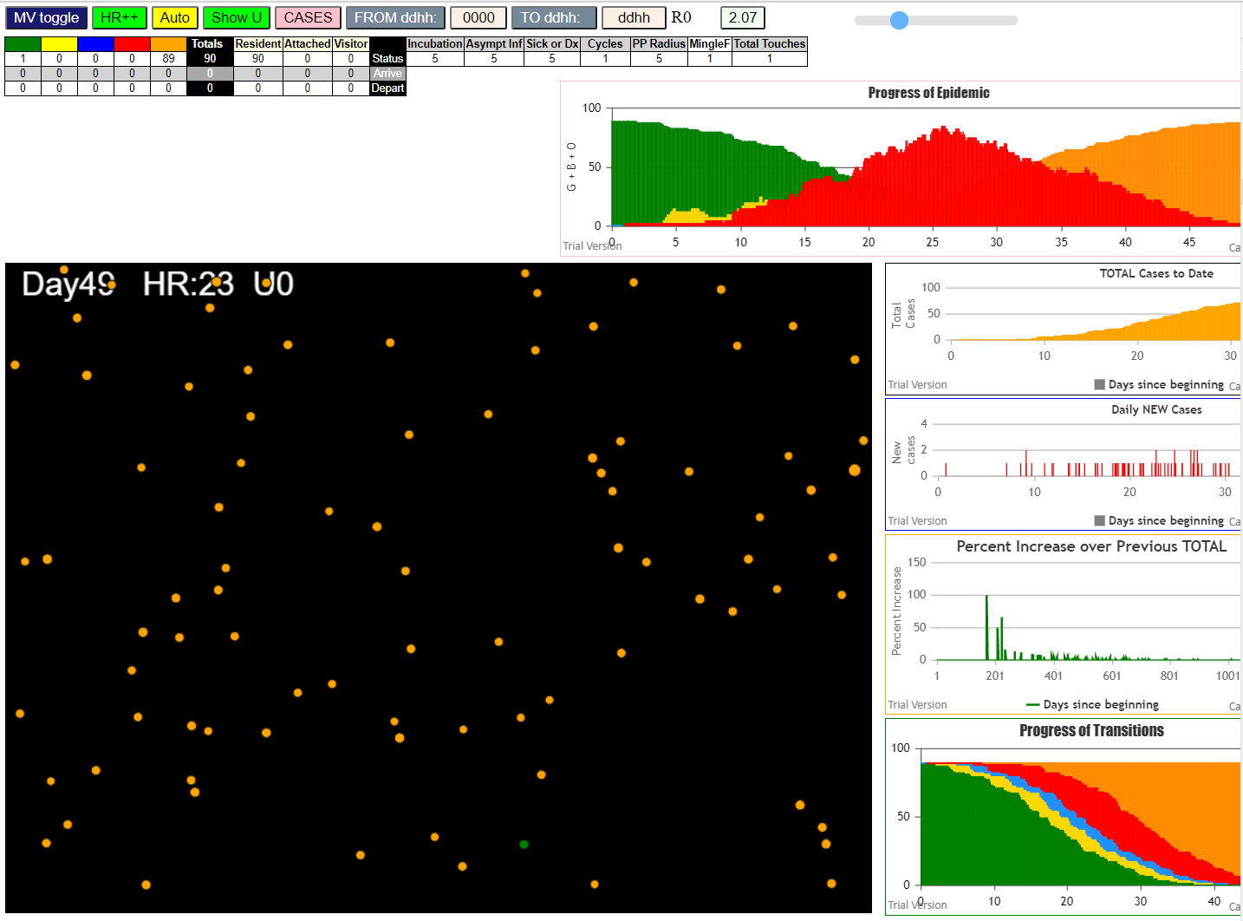
simulation.js:4150 exit covidSim
simulation.js:23 getAsText File {name: "90AgentsU0mF1.csv", lastModified: 1608078562000, lastModifiedDate: Tue Dec 15 2020 16:29:22 GMT-0800 (Pacific Standard Time), webkitRelativePath: "", size: 1930, …}
simulation.js:32 File {name: "90AgentsU0mF1.csv", lastModified: 1608078562000, lastModifiedDate: Tue Dec 15 2020 16:29:22 GMT-0800 (Pacific Standard Time), webkitRelativePath: "", size: 1930, …}
simulation.js:23 getAsText File {name: "VL1.csv", lastModified: 1603760180000, lastModifiedDate: Mon Oct 26 2020 17:56:20 GMT-0700 (Pacific Daylight Time), webkitRelativePath: "", size: 66, …}
simulation.js:32 File {name: "VL1.csv", lastModified: 1603760180000, lastModifiedDate: Mon Oct 26 2020 17:56:20 GMT-0700 (Pacific Daylight Time), webkitRelativePath: "", size: 66, …}
simulation.js:1990 1I j:famKey 23:-1 infected by red i:famKey 10:-1 at gen 51 in Univ0
simulation.js:1990 2I j:famKey 18:-1 infected by red i:famKey 10:-1 at gen 94 in Univ0
simulation.js:1990 3I j:famKey 33:-1 infected by red i:famKey 10:-1 at gen 98 in Univ0
simulation.js:1990 4I j:famKey 20:-1 infected by red i:famKey 10:-1 at gen 101 in Univ0
simulation.js:1990 5I j:famKey 86:-1 infected by red i:famKey 10:-1 at gen 107 in Univ0
simulation.js:1990 6I j:famKey 58:-1 infected by red i:famKey 10:-1 at gen 113 in Univ0
simulation.js:1990 7I j:famKey 80:-1 infected by blue i:famKey 23:-1 at gen 147 in Univ0
simulation.js:1990 8I j:famKey 75:-1 infected by blue i:famKey 23:-1 at gen 165 in Univ0
simulation.js:1990 9I j:famKey 65:-1 infected by red i:famKey 10:-1 at gen 169 in Univ0
simulation.js:2006 10I i:famKey 15:-1 infected by blue j:famKey 33:-1 at gen 211 in U0
simulation.js:2006 11I i:famKey 0:-1 infected by yellow j:famKey 15:-1 at gen 214 in U0
simulation.js:1990 12I j:famKey 62:-1 infected by red i:famKey 18:-1 at gen 228 in Univ0
simulation.js:2006 13I i:famKey 35:-1 infected by blue j:famKey 58:-1 at gen 230 in U0
simulation.js:1990 14I j:famKey 48:-1 infected by red i:famKey 18:-1 at gen 232 in Univ0
simulation.js:1990 14I j:famKey 77:-1 infected by red i:famKey 18:-1 at gen 233 in Univ0
simulation.js:2006 16I i:famKey 28:-1 infected by red j:famKey 86:-1 at gen 241 in U0
simulation.js:2006 17I i:famKey 46:-1 infected by blue j:famKey 80:-1 at gen 246 in U0
simulation.js:1990 18I j:famKey 34:-1 infected by red i:famKey 23:-1 at gen 275 in Univ0
simulation.js:2006 18I i:famKey 27:-1 infected by blue j:famKey 75:-1 at gen 275 in U0
simulation.js:1990 20I j:famKey 67:-1 infected by blue i:famKey 65:-1 at gen 284 in Univ0
simulation.js:2006 21I i:famKey 9:-1 infected by red j:famKey 65:-1 at gen 297 in U0
simulation.js:2006 22I i:famKey 6:-1 infected by red j:famKey 58:-1 at gen 325 in U0
simulation.js:1990 22I j:famKey 56:-1 infected by blue i:famKey 48:-1 at gen 326 in Univ0
simulation.js:1990 23I j:famKey 38:-1 infected by blue i:famKey 35:-1 at gen 327 in Univ0
simulation.js:1990 25I j:famKey 39:-1 infected by red i:famKey 15:-1 at gen 331 in Univ0
simulation.js:2006 25I i:famKey 1:-1 infected by red j:famKey 15:-1 at gen 332 in U0
simulation.js:1990 27I j:famKey 61:-1 infected by blue i:famKey 48:-1 at gen 343 in Univ0
simulation.js:2006 28I i:famKey 30:-1 infected by red j:famKey 75:-1 at gen 347 in U0
simulation.js:2006 29I i:famKey 47:-1 infected by red j:famKey 48:-1 at gen 350 in U0
simulation.js:2006 29I i:famKey 13:-1 infected by red j:famKey 62:-1 at gen 351 in U0
simulation.js:2006 31I i:famKey 8:-1 infected by red j:famKey 86:-1 at gen 356 in U0
simulation.js:2006 32I i:famKey 31:-1 infected by red j:famKey 65:-1 at gen 358 in U0
simulation.js:1990 32I j:famKey 71:-1 infected by red i:famKey 35:-1 at gen 359 in Univ0
simulation.js:1990 34I j:famKey 85:-1 infected by red i:famKey 58:-1 at gen 367 in Univ0
simulation.js:1990 35I j:famKey 78:-1 infected by red i:famKey 28:-1 at gen 387 in Univ0
simulation.js:1990 36I j:famKey 83:-1 infected by red i:famKey 0:-1 at gen 391 in Univ0
simulation.js:1990 36I j:famKey 81:-1 infected by red i:famKey 58:-1 at gen 391 in Univ0
simulation.js:2006 36I i:famKey 40:-1 infected by red j:famKey 65:-1 at gen 392 in U0
simulation.js:2006 38I i:famKey 43:-1 infected by red j:famKey 80:-1 at gen 393 in U0
simulation.js:2006 40I i:famKey 45:-1 infected by red j:famKey 67:-1 at gen 421 in U0
simulation.js:1990 40I j:famKey 66:-1 infected by red i:famKey 62:-1 at gen 421 in Univ0
simulation.js:1990 42I j:famKey 36:-1 infected by red i:famKey 9:-1 at gen 424 in Univ0
simulation.js:1990 43I j:famKey 11:-1 infected by red i:famKey 0:-1 at gen 426 in Univ0
simulation.js:2006 43I i:famKey 3:-1 infected by red j:famKey 46:-1 at gen 427 in U0
simulation.js:1990 43I j:famKey 72:-1 infected by red i:famKey 35:-1 at gen 427 in Univ0
simulation.js:1990 46I j:famKey 52:-1 infected by red i:famKey 9:-1 at gen 440 in Univ0
simulation.js:1990 47I j:famKey 73:-1 infected by blue i:famKey 1:-1 at gen 448 in Univ0
simulation.js:1990 48I j:famKey 32:-1 infected by red i:famKey 1:-1 at gen 457 in Univ0
simulation.js:2006 49I i:famKey 49:-1 infected by blue j:famKey 71:-1 at gen 472 in U0
simulation.js:1990 49I j:famKey 74:-1 infected by red i:famKey 27:-1 at gen 473 in Univ0
simulation.js:1990 51I j:famKey 41:-1 infected by red i:famKey 1:-1 at gen 476 in Univ0
simulation.js:2006 52I i:famKey 14:-1 infected by red j:famKey 38:-1 at gen 482 in U0
simulation.js:2006 52I i:famKey 5:-1 infected by red j:famKey 35:-1 at gen 483 in U0
simulation.js:2006 54I i:famKey 24:-1 infected by red j:famKey 71:-1 at gen 494 in U0
simulation.js:1990 54I j:famKey 53:-1 infected by blue i:famKey 43:-1 at gen 494 in Univ0
simulation.js:1990 56I j:famKey 44:-1 infected by red i:famKey 38:-1 at gen 514 in Univ0
simulation.js:2006 57I i:famKey 4:-1 infected by red j:famKey 39:-1 at gen 516 in U0
simulation.js:1990 58I j:famKey 25:-1 infected by red i:famKey 6:-1 at gen 520 in Univ0
simulation.js:2006 59I i:famKey 63:-1 infected by blue j:famKey 72:-1 at gen 523 in U0
simulation.js:1990 60I j:famKey 84:-1 infected by blue i:famKey 36:-1 at gen 527 in Univ0
simulation.js:1990 60I j:famKey 82:-1 infected by blue i:famKey 72:-1 at gen 528 in Univ0
simulation.js:2006 62I i:famKey 69:-1 infected by blue j:famKey 72:-1 at gen 534 in U0
simulation.js:2006 62I i:famKey 29:-1 infected by blue j:famKey 36:-1 at gen 535 in U0
simulation.js:2006 64I i:famKey 55:-1 infected by red j:famKey 71:-1 at gen 539 in U0
simulation.js:2006 65I i:famKey 17:-1 infected by blue j:famKey 32:-1 at gen 577 in U0
simulation.js:1990 65I j:famKey 89:-1 infected by blue i:famKey 53:-1 at gen 577 in Univ0
simulation.js:2006 67I i:famKey 60:-1 infected by red j:famKey 72:-1 at gen 587 in U0
simulation.js:2006 68I i:famKey 7:-1 infected by red j:famKey 45:-1 at gen 590 in U0
simulation.js:1990 69I j:famKey 88:-1 infected by red i:famKey 66:-1 at gen 605 in Univ0
simulation.js:2006 70I i:famKey 22:-1 infected by red j:famKey 72:-1 at gen 611 in U0
simulation.js:1990 71I j:famKey 42:-1 infected by red i:famKey 31:-1 at gen 615 in Univ0
simulation.js:1990 72I j:famKey 16:-1 infected by red i:famKey 5:-1 at gen 647 in Univ0
simulation.js:1990 72I j:famKey 87:-1 infected by red i:famKey 66:-1 at gen 648 in Univ0
simulation.js:1990 74I j:famKey 68:-1 infected by red i:famKey 4:-1 at gen 654 in Univ0
simulation.js:1990 75I j:famKey 12:-1 infected by red i:famKey 3:-1 at gen 666 in Univ0
simulation.js:2006 76I i:famKey 37:-1 infected by red j:famKey 53:-1 at gen 671 in U0
simulation.js:1990 77I j:famKey 57:-1 infected by red i:famKey 29:-1 at gen 692 in Univ0
simulation.js:1990 78I j:famKey 21:-1 infected by red i:famKey 3:-1 at gen 705 in Univ0
simulation.js:2006 78I i:famKey 19:-1 infected by red j:famKey 25:-1 at gen 706 in U0
simulation.js:1990 80I j:famKey 70:-1 infected by red i:famKey 3:-1 at gen 713 in Univ0
simulation.js:2006 81I i:famKey 50:-1 infected by red j:famKey 69:-1 at gen 718 in U0
simulation.js:1990 82I j:famKey 79:-1 infected by red i:famKey 32:-1 at gen 737 in Univ0
simulation.js:1990 83I j:famKey 26:-1 infected by red i:famKey 22:-1 at gen 764 in Univ0
simulation.js:2006 83I i:famKey 54:-1 infected by blue j:famKey 87:-1 at gen 765 in U0
simulation.js:1990 85I j:famKey 51:-1 infected by red i:famKey 29:-1 at gen 779 in Univ0
simulation.js:1990 86I j:famKey 76:-1 infected by blue i:famKey 70:-1 at gen 820 in Univ0
simulation.js:2006 87I i:famKey 59:-1 infected by red j:famKey 87:-1 at gen 844 in U0
simulation.js:2006 88I i:famKey 2:-1 infected by red j:famKey 37:-1 at gen 897 in U0

80
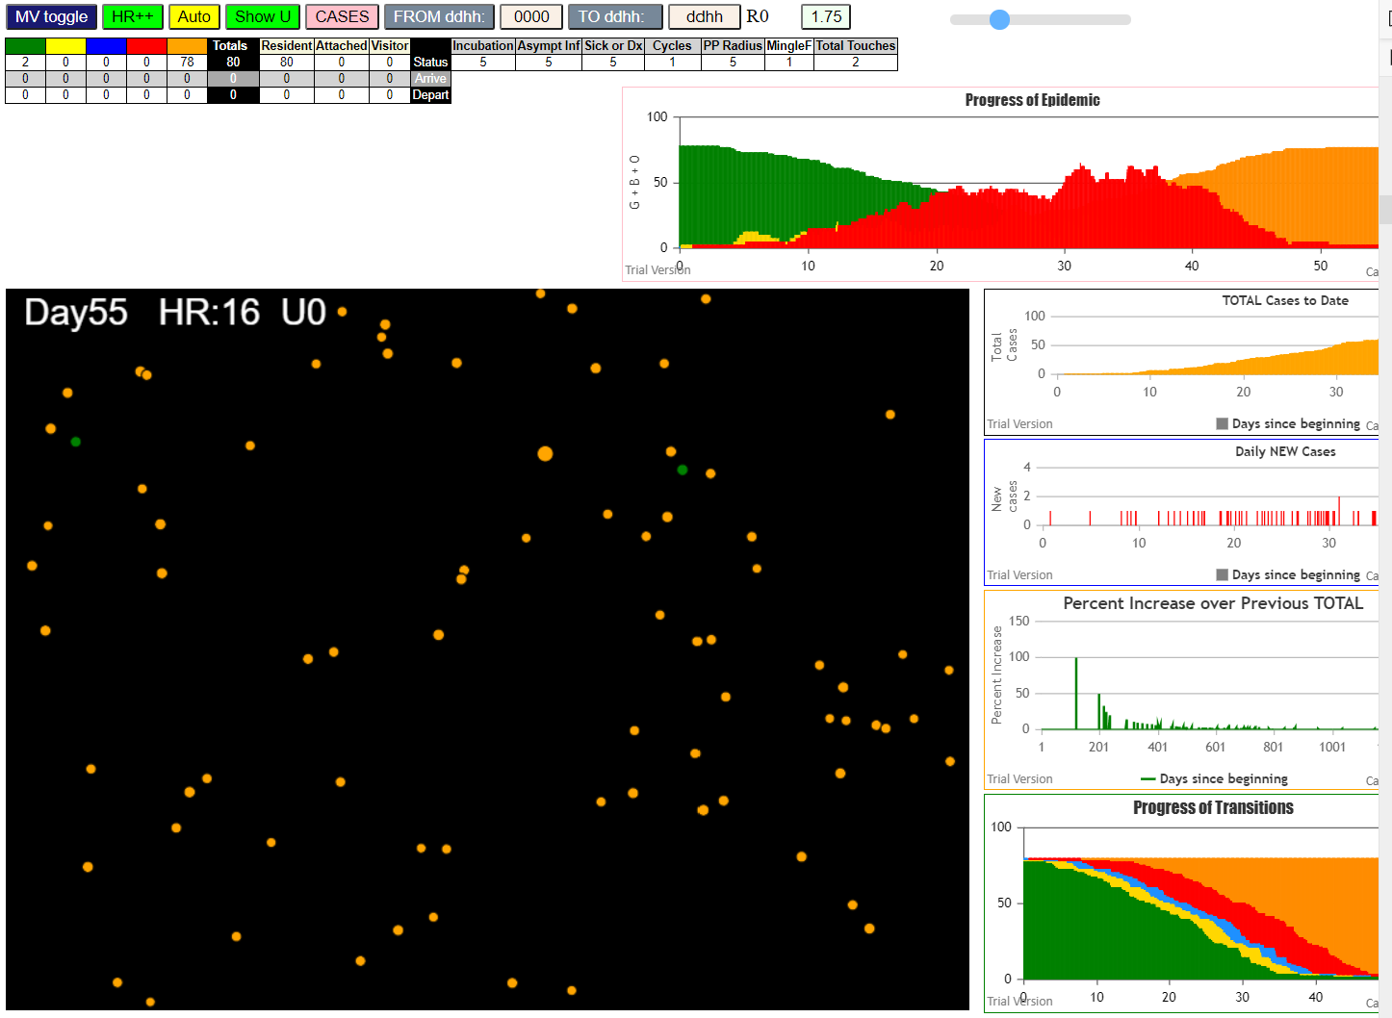
simulation.js:4150 exit covidSim
simulation.js:23 getAsText File {name: "80AgentsU0mF1.csv", lastModified: 1608079056000, lastModifiedDate: Tue Dec 15 2020 16:37:36 GMT-0800 (Pacific Standard Time), webkitRelativePath: "", size: 1720, …}
simulation.js:32 File {name: "80AgentsU0mF1.csv", lastModified: 1608079056000, lastModifiedDate: Tue Dec 15 2020 16:37:36 GMT-0800 (Pacific Standard Time), webkitRelativePath: "", size: 1720, …}
simulation.js:23 getAsText File {name: "VL1.csv", lastModified: 1603760180000, lastModifiedDate: Mon Oct 26 2020 17:56:20 GMT-0700 (Pacific Daylight Time), webkitRelativePath: "", size: 66, …}
simulation.js:32 File {name: "VL1.csv", lastModified: 1603760180000, lastModifiedDate: Mon Oct 26 2020 17:56:20 GMT-0700 (Pacific Daylight Time), webkitRelativePath: "", size: 66, …}
simulation.js:1990 0I j:famKey 31:-1 infected by blue i:famKey 10:-1 at gen 1 in Univ0
simulation.js:1990 2I j:famKey 25:-1 infected by red i:famKey 10:-1 at gen 78 in Univ0
simulation.js:1990 3I j:famKey 72:-1 infected by red i:famKey 10:-1 at gen 99 in Univ0
simulation.js:1990 4I j:famKey 70:-1 infected by red i:famKey 10:-1 at gen 105 in Univ0
simulation.js:1990 5I j:famKey 44:-1 infected by blue i:famKey 31:-1 at gen 109 in Univ0
simulation.js:2006 6I i:famKey 24:-1 infected by blue j:famKey 31:-1 at gen 117 in U0
simulation.js:1990 7I j:famKey 30:-1 infected by red i:famKey 10:-1 at gen 170 in Univ0
simulation.js:1990 8I j:famKey 75:-1 infected by red i:famKey 31:-1 at gen 180 in Univ0
simulation.js:1990 9I j:famKey 73:-1 infected by red i:famKey 25:-1 at gen 205 in Univ0
simulation.js:2006 10I i:famKey 8:-1 infected by blue j:famKey 70:-1 at gen 213 in U0
simulation.js:2006 11I i:famKey 2:-1 infected by red j:famKey 70:-1 at gen 224 in U0
simulation.js:1990 12I j:famKey 61:-1 infected by red i:famKey 25:-1 at gen 246 in Univ0
simulation.js:1990 13I j:famKey 78:-1 infected by red i:famKey 72:-1 at gen 265 in Univ0
simulation.js:2006 14I i:famKey 49:-1 infected by red j:famKey 72:-1 at gen 267 in U0
simulation.js:1990 15I j:famKey 69:-1 infected by red i:famKey 44:-1 at gen 278 in Univ0
simulation.js:2006 16I i:famKey 0:-1 infected by red j:famKey 72:-1 at gen 287 in U0
simulation.js:2006 17I i:famKey 12:-1 infected by red j:famKey 72:-1 at gen 289 in U0
simulation.js:2006 18I i:famKey 11:-1 infected by red j:famKey 44:-1 at gen 291 in U0
simulation.js:1990 19I j:famKey 41:-1 infected by red i:famKey 24:-1 at gen 325 in Univ0
simulation.js:2006 20I i:famKey 7:-1 infected by red j:famKey 24:-1 at gen 330 in U0
simulation.js:2006 21I i:famKey 67:-1 infected by red j:famKey 72:-1 at gen 340 in U0
simulation.js:2006 22I i:famKey 6:-1 infected by red j:famKey 24:-1 at gen 351 in U0
simulation.js:2006 22I i:famKey 50:-1 infected by blue j:famKey 61:-1 at gen 351 in U0
simulation.js:2006 22I i:famKey 45:-1 infected by blue j:famKey 61:-1 at gen 352 in U0
simulation.js:1990 25I j:famKey 22:-1 infected by blue i:famKey 11:-1 at gen 368 in Univ0
simulation.js:2006 26I i:famKey 40:-1 infected by blue j:famKey 78:-1 at gen 376 in U0
simulation.js:2006 27I i:famKey 59:-1 infected by red j:famKey 73:-1 at gen 382 in U0
simulation.js:1990 28I j:famKey 79:-1 infected by red i:famKey 8:-1 at gen 400 in Univ0
simulation.js:1990 29I j:famKey 74:-1 infected by blue i:famKey 7:-1 at gen 420 in Univ0
simulation.js:1990 30I j:famKey 26:-1 infected by red i:famKey 2:-1 at gen 439 in Univ0
simulation.js:1990 30I j:famKey 32:-1 infected by blue i:famKey 7:-1 at gen 439 in Univ0
simulation.js:2006 32I i:famKey 76:-1 infected by red j:famKey 78:-1 at gen 454 in U0
simulation.js:1990 32I j:famKey 46:-1 infected by red i:famKey 2:-1 at gen 455 in Univ0
simulation.js:2006 34I i:famKey 55:-1 infected by red j:famKey 61:-1 at gen 474 in U0
simulation.js:1990 35I j:famKey 33:-1 infected by red i:famKey 8:-1 at gen 484 in Univ0
simulation.js:2006 36I i:famKey 17:-1 infected by red j:famKey 49:-1 at gen 487 in U0
simulation.js:2006 37I i:famKey 20:-1 infected by red j:famKey 41:-1 at gen 511 in U0
simulation.js:1990 38I j:famKey 18:-1 infected by red i:famKey 12:-1 at gen 515 in Univ0
simulation.js:1990 39I j:famKey 15:-1 infected by red i:famKey 6:-1 at gen 520 in Univ0
simulation.js:2006 40I i:famKey 14:-1 infected by red j:famKey 22:-1 at gen 553 in U0
simulation.js:1990 41I j:famKey 65:-1 infected by blue i:famKey 46:-1 at gen 559 in Univ0
simulation.js:2006 42I i:famKey 48:-1 infected by red j:famKey 50:-1 at gen 564 in U0
simulation.js:1990 43I j:famKey 52:-1 infected by red i:famKey 50:-1 at gen 571 in Univ0
simulation.js:1990 44I j:famKey 57:-1 infected by red i:famKey 40:-1 at gen 576 in Univ0
simulation.js:1990 45I j:famKey 47:-1 infected by red i:famKey 26:-1 at gen 580 in Univ0
simulation.js:2006 46I i:famKey 43:-1 infected by red j:famKey 46:-1 at gen 592 in U0
simulation.js:2006 46I i:famKey 13:-1 infected by red j:famKey 45:-1 at gen 593 in U0
simulation.js:2006 48I i:famKey 16:-1 infected by red j:famKey 50:-1 at gen 597 in U0
simulation.js:1990 48I j:famKey 60:-1 infected by red i:famKey 55:-1 at gen 598 in Univ0
simulation.js:1990 50I j:famKey 62:-1 infected by red i:famKey 50:-1 at gen 603 in Univ0
simulation.js:1990 51I j:famKey 54:-1 infected by red i:famKey 33:-1 at gen 611 in Univ0
simulation.js:2006 52I i:famKey 1:-1 infected by red j:famKey 76:-1 at gen 613 in U0
simulation.js:1990 53I j:famKey 34:-1 infected by red i:famKey 6:-1 at gen 618 in Univ0
simulation.js:1990 54I j:famKey 68:-1 infected by red i:famKey 59:-1 at gen 625 in Univ0
simulation.js:2006 55I i:famKey 5:-1 infected by red j:famKey 17:-1 at gen 630 in U0
simulation.js:1990 56I j:famKey 56:-1 infected by red i:famKey 50:-1 at gen 661 in Univ0
simulation.js:1990 57I j:famKey 53:-1 infected by blue i:famKey 48:-1 at gen 672 in Univ0
simulation.js:2006 58I i:famKey 36:-1 infected by red j:famKey 74:-1 at gen 674 in U0
simulation.js:1990 59I j:famKey 39:-1 infected by blue i:famKey 16:-1 at gen 711 in Univ0
simulation.js:2006 59I i:famKey 19:-1 infected by blue j:famKey 43:-1 at gen 712 in U0
simulation.js:1990 61I j:famKey 64:-1 infected by red i:famKey 17:-1 at gen 714 in Univ0
simulation.js:1990 62I j:famKey 35:-1 infected by blue i:famKey 34:-1 at gen 717 in Univ0
simulation.js:2006 62I i:famKey 9:-1 infected by blue j:famKey 60:-1 at gen 718 in U0
simulation.js:1990 64I j:famKey 28:-1 infected by red i:famKey 13:-1 at gen 720 in Univ0
simulation.js:1990 65I j:famKey 66:-1 infected by red i:famKey 16:-1 at gen 747 in Univ0
simulation.js:2006 65I i:famKey 38:-1 infected by blue j:famKey 56:-1 at gen 748 in U0
simulation.js:1990 66I j:famKey 27:-1 infected by red i:famKey 5:-1 at gen 749 in Univ0
simulation.js:2006 68I i:famKey 23:-1 infected by red j:famKey 34:-1 at gen 752 in U0
simulation.js:1990 69I j:famKey 58:-1 infected by red i:famKey 17:-1 at gen 768 in Univ0
simulation.js:2006 70I i:famKey 51:-1 infected by red j:famKey 60:-1 at gen 784 in U0
simulation.js:2006 71I i:famKey 21:-1 infected by red j:famKey 54:-1 at gen 803 in U0
simulation.js:2006 72I i:famKey 37:-1 infected by red j:famKey 52:-1 at gen 812 in U0
simulation.js:2006 73I i:famKey 4:-1 infected by red j:famKey 36:-1 at gen 814 in U0
simulation.js:1990 74I j:famKey 77:-1 infected by red i:famKey 47:-1 at gen 826 in Univ0
simulation.js:1990 75I j:famKey 71:-1 infected by red i:famKey 34:-1 at gen 835 in Univ0
simulation.js:1990 76I j:famKey 42:-1 infected by red i:famKey 28:-1 at gen 912 in Univ0
simulation.js:2006 77I i:famKey 29:-1 infected by red j:famKey 64:-1 at gen 1023 in U0

70
simulation.js:4150 exit covidSim
simulation.js:23 getAsText File {name: "70 AgentsU0mF1.csv", lastModified: 1608079478000, lastModifiedDate: Tue Dec 15 2020 16:44:38 GMT-0800 (Pacific Standard Time), webkitRelativePath: "", size: 1510, …}
simulation.js:32 File {name: "70 AgentsU0mF1.csv", lastModified: 1608079478000, lastModifiedDate: Tue Dec 15 2020 16:44:38 GMT-0800 (Pacific Standard Time), webkitRelativePath: "", size: 1510, …}
simulation.js:23 getAsText File {name: "VL1.csv", lastModified: 1603760180000, lastModifiedDate: Mon Oct 26 2020 17:56:20 GMT-0700 (Pacific Daylight Time), webkitRelativePath: "", size: 66, …}
simulation.js:32 File {name: "VL1.csv", lastModified: 1603760180000, lastModifiedDate: Mon Oct 26 2020 17:56:20 GMT-0700 (Pacific Daylight Time), webkitRelativePath: "", size: 66, …}
simulation.js:1990 1I j:famKey 41:-1 infected by blue i:famKey 10:-1 at gen 7 in Univ0
simulation.js:1990 2I j:famKey 34:-1 infected by red i:famKey 10:-1 at gen 35 in Univ0
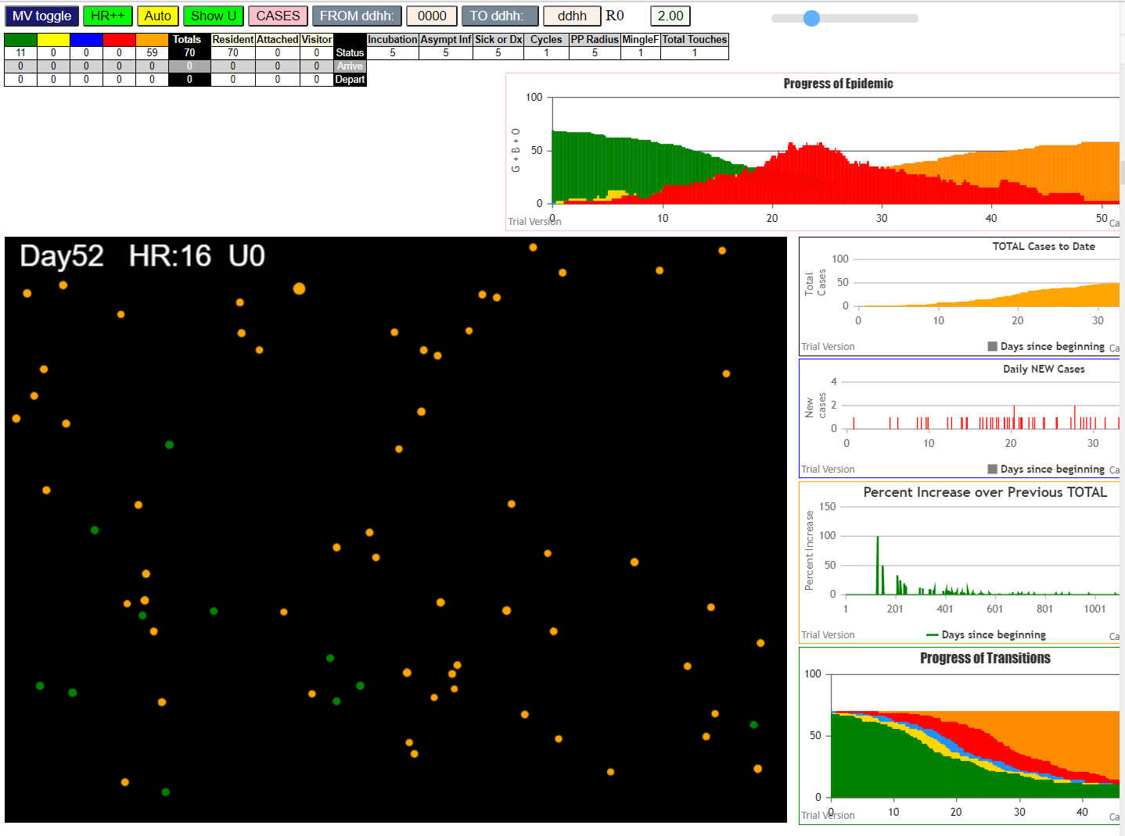
simulation.js:2006 3I i:famKey 25:-1 infected by blue j:famKey 41:-1 at gen 89 in U0
simulation.js:2006 4I i:famKey 19:-1 infected by blue j:famKey 41:-1 at gen 96 in U0
simulation.js:2006 5I i:famKey 11:-1 infected by blue j:famKey 41:-1 at gen 117 in U0
simulation.js:1990 6I j:famKey 61:-1 infected by red i:famKey 10:-1 at gen 121 in Univ0
simulation.js:1990 6I j:famKey 63:-1 infected by blue i:famKey 34:-1 at gen 121 in Univ0
simulation.js:1990 8I j:famKey 38:-1 infected by red i:famKey 34:-1 at gen 177 in Univ0
simulation.js:1990 9I j:famKey 55:-1 infected by blue i:famKey 11:-1 at gen 192 in Univ0
simulation.js:2006 10I i:famKey 42:-1 infected by blue j:famKey 61:-1 at gen 219 in U0
simulation.js:1990 10I j:famKey 54:-1 infected by blue i:famKey 11:-1 at gen 220 in Univ0
simulation.js:2006 12I i:famKey 20:-1 infected by red j:famKey 63:-1 at gen 235 in U0
simulation.js:2006 13I i:famKey 50:-1 infected by blue j:famKey 61:-1 at gen 239 in U0
simulation.js:2006 14I i:famKey 24:-1 infected by red j:famKey 34:-1 at gen 269 in U0
simulation.js:1990 15I j:famKey 49:-1 infected by red i:famKey 25:-1 at gen 286 in Univ0
simulation.js:2006 16I i:famKey 2:-1 infected by red j:famKey 61:-1 at gen 288 in U0
simulation.js:1990 17I j:famKey 66:-1 infected by red i:famKey 34:-1 at gen 295 in Univ0
simulation.js:1990 18I j:famKey 69:-1 infected by red i:famKey 25:-1 at gen 302 in Univ0
simulation.js:2006 19I i:famKey 46:-1 infected by red j:famKey 61:-1 at gen 309 in U0
simulation.js:2006 20I i:famKey 17:-1 infected by blue j:famKey 20:-1 at gen 315 in U0
simulation.js:2006 21I i:famKey 26:-1 infected by red j:famKey 63:-1 at gen 331 in U0
simulation.js:2006 22I i:famKey 60:-1 infected by red j:famKey 63:-1 at gen 337 in U0
simulation.js:1990 23I j:famKey 56:-1 infected by red i:famKey 55:-1 at gen 348 in Univ0
simulation.js:2006 24I i:famKey 1:-1 infected by red j:famKey 55:-1 at gen 352 in U0
simulation.js:2006 24I i:famKey 14:-1 infected by red j:famKey 63:-1 at gen 352 in U0
simulation.js:1990 26I j:famKey 18:-1 infected by red i:famKey 11:-1 at gen 370 in Univ0
simulation.js:2006 27I i:famKey 22:-1 infected by red j:famKey 63:-1 at gen 372 in U0
simulation.js:2006 28I i:famKey 29:-1 infected by red j:famKey 38:-1 at gen 377 in U0
simulation.js:2006 29I i:famKey 6:-1 infected by blue j:famKey 49:-1 at gen 382 in U0
simulation.js:1990 30I j:famKey 68:-1 infected by red i:famKey 50:-1 at gen 392 in Univ0
simulation.js:2006 31I i:famKey 36:-1 infected by red j:famKey 61:-1 at gen 395 in U0
simulation.js:2006 32I i:famKey 0:-1 infected by red j:famKey 38:-1 at gen 398 in U0
simulation.js:1990 33I j:famKey 67:-1 infected by blue i:famKey 17:-1 at gen 423 in Univ0
simulation.js:1990 34I j:famKey 15:-1 infected by red i:famKey 2:-1 at gen 429 in Univ0
simulation.js:1990 35I j:famKey 48:-1 infected by red i:famKey 2:-1 at gen 432 in Univ0
simulation.js:1990 36I j:famKey 59:-1 infected by blue i:famKey 1:-1 at gen 463 in Univ0
simulation.js:1990 36I j:famKey 53:-1 infected by red i:famKey 38:-1 at gen 464 in Univ0
simulation.js:2006 38I i:famKey 7:-1 infected by red j:famKey 17:-1 at gen 497 in U0
simulation.js:2006 39I i:famKey 30:-1 infected by blue j:famKey 68:-1 at gen 499 in U0
simulation.js:2006 40I i:famKey 43:-1 infected by blue j:famKey 48:-1 at gen 538 in U0
simulation.js:2006 41I i:famKey 40:-1 infected by red j:famKey 67:-1 at gen 549 in U0
simulation.js:2006 42I i:famKey 12:-1 infected by red j:famKey 66:-1 at gen 555 in U0
simulation.js:2006 43I i:famKey 13:-1 infected by red j:famKey 66:-1 at gen 562 in U0
simulation.js:2006 44I i:famKey 47:-1 infected by blue j:famKey 53:-1 at gen 572 in U0
simulation.js:2006 45I i:famKey 8:-1 infected by red j:famKey 46:-1 at gen 585 in U0
simulation.js:2006 46I i:famKey 5:-1 infected by red j:famKey 56:-1 at gen 594 in U0
simulation.js:1990 47I j:famKey 37:-1 infected by red i:famKey 1:-1 at gen 605 in Univ0
simulation.js:2006 48I i:famKey 31:-1 infected by red j:famKey 68:-1 at gen 632 in U0
simulation.js:2006 49I i:famKey 4:-1 infected by red j:famKey 30:-1 at gen 677 in U0
simulation.js:1990 50I j:famKey 65:-1 infected by red i:famKey 8:-1 at gen 725 in Univ0
simulation.js:1990 51I j:famKey 52:-1 infected by blue i:famKey 31:-1 at gen 728 in Univ0
simulation.js:1990 52I j:famKey 33:-1 infected by red i:famKey 12:-1 at gen 741 in Univ0
simulation.js:1990 53I j:famKey 51:-1 infected by red i:famKey 31:-1 at gen 769 in Univ0
simulation.js:1990 54I j:famKey 57:-1 infected by red i:famKey 31:-1 at gen 780 in Univ0
simulation.js:2006 55I i:famKey 3:-1 infected by red j:famKey 37:-1 at gen 852 in U0
simulation.js:1990 56I j:famKey 64:-1 infected by red i:famKey 52:-1 at gen 854 in Univ0
simulation.js:1990 56I j:famKey 35:-1 infected by red i:famKey 13:-1 at gen 855 in Univ0
simulation.js:2006 58I i:famKey 27:-1 infected by red j:famKey 52:-1 at gen 964 in U0

60
simulation.js:4150 exit covidSim
simulation.js:23 getAsText File {name: "60 AgentsU0mF1.csv", lastModified: 1608079836000, lastModifiedDate: Tue Dec 15 2020 16:50:36 GMT-0800 (Pacific Standard Time), webkitRelativePath: "", size: 1300, …}
simulation.js:32 File {name: "60 AgentsU0mF1.csv", lastModified: 1608079836000, lastModifiedDate: Tue Dec 15 2020 16:50:36 GMT-0800 (Pacific Standard Time), webkitRelativePath: "", size: 1300, …}
simulation.js:23 getAsText File {name: "VL1.csv", lastModified: 1603760180000, lastModifiedDate: Mon Oct 26 2020 17:56:20 GMT-0700 (Pacific Daylight Time), webkitRelativePath: "", size: 66, …}
simulation.js:32 File {name: "VL1.csv", lastModified: 1603760180000, lastModifiedDate: Mon Oct 26 2020 17:56:20 GMT-0700 (Pacific Daylight Time), webkitRelativePath: "", size: 66, …}
simulation.js:1990 1I j:famKey 47:-1 infected by red i:famKey 10:-1 at gen 26 in Univ0
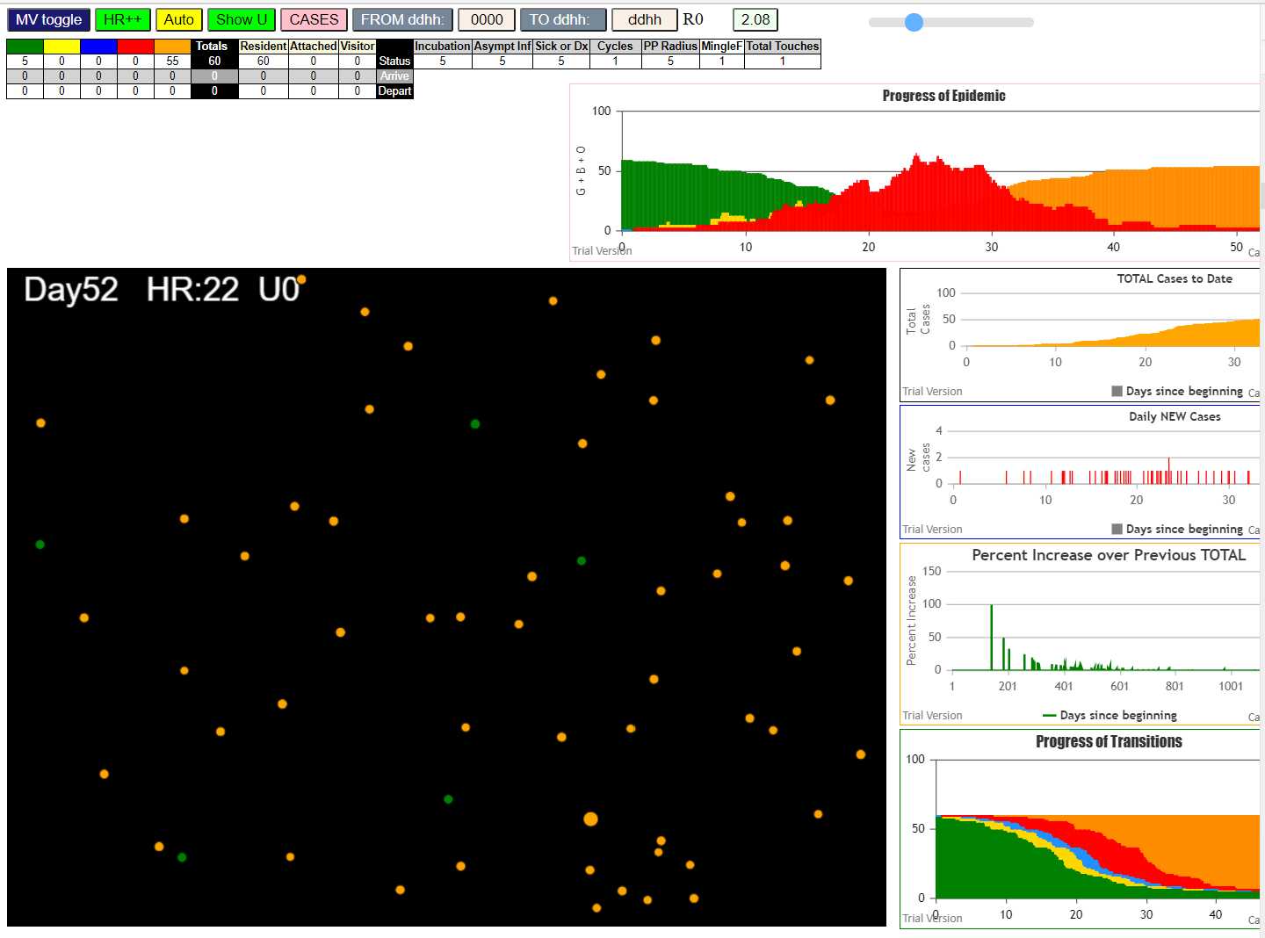
simulation.js:1990 2I j:famKey 29:-1 infected by red i:famKey 10:-1 at gen 70 in Univ0
simulation.js:1990 3I j:famKey 31:-1 infected by red i:famKey 10:-1 at gen 85 in Univ0
simulation.js:1990 4I j:famKey 19:-1 infected by red i:famKey 10:-1 at gen 140 in Univ0
simulation.js:1990 5I j:famKey 45:-1 infected by red i:famKey 10:-1 at gen 169 in Univ0
simulation.js:1990 5I j:famKey 40:-1 infected by blue i:famKey 29:-1 at gen 170 in Univ0
simulation.js:1990 6I j:famKey 34:-1 infected by red i:famKey 10:-1 at gen 171 in Univ0
simulation.js:1990 8I j:famKey 54:-1 infected by blue i:famKey 31:-1 at gen 190 in Univ0
simulation.js:1990 9I j:famKey 56:-1 infected by red i:famKey 29:-1 at gen 192 in Univ0
simulation.js:1990 10I j:famKey 55:-1 infected by red i:famKey 29:-1 at gen 236 in Univ0
simulation.js:1990 11I j:famKey 32:-1 infected by red i:famKey 31:-1 at gen 247 in Univ0
simulation.js:1990 12I j:famKey 44:-1 infected by blue i:famKey 34:-1 at gen 276 in Univ0
simulation.js:2006 13I i:famKey 15:-1 infected by red j:famKey 19:-1 at gen 282 in U0
simulation.js:1990 14I j:famKey 59:-1 infected by red i:famKey 19:-1 at gen 285 in Univ0
simulation.js:1990 14I j:famKey 48:-1 infected by red i:famKey 31:-1 at gen 286 in Univ0
simulation.js:2006 16I i:famKey 1:-1 infected by red j:famKey 34:-1 at gen 300 in U0
simulation.js:2006 17I i:famKey 5:-1 infected by red j:famKey 34:-1 at gen 315 in U0
simulation.js:2006 18I i:famKey 51:-1 infected by red j:famKey 56:-1 at gen 319 in U0
simulation.js:2006 19I i:famKey 18:-1 infected by red j:famKey 31:-1 at gen 332 in U0
simulation.js:2006 20I i:famKey 30:-1 infected by red j:famKey 45:-1 at gen 336 in U0
simulation.js:2006 21I i:famKey 28:-1 infected by blue j:famKey 55:-1 at gen 340 in U0
simulation.js:2006 22I i:famKey 11:-1 infected by blue j:famKey 55:-1 at gen 343 in U0
simulation.js:2006 23I i:famKey 42:-1 infected by red j:famKey 45:-1 at gen 386 in U0
simulation.js:1990 24I j:famKey 53:-1 infected by blue i:famKey 1:-1 at gen 396 in Univ0
simulation.js:1990 25I j:famKey 38:-1 infected by red i:famKey 34:-1 at gen 399 in Univ0
simulation.js:2006 26I i:famKey 17:-1 infected by red j:famKey 59:-1 at gen 407 in U0
simulation.js:2006 26I i:famKey 41:-1 infected by red j:famKey 55:-1 at gen 408 in U0
simulation.js:2006 28I i:famKey 12:-1 infected by blue j:famKey 51:-1 at gen 415 in U0
simulation.js:2006 29I i:famKey 26:-1 infected by red j:famKey 45:-1 at gen 420 in U0
simulation.js:2006 30I i:famKey 27:-1 infected by red j:famKey 56:-1 at gen 423 in U0
simulation.js:1990 30I j:famKey 57:-1 infected by red i:famKey 54:-1 at gen 423 in Univ0
simulation.js:1990 32I j:famKey 22:-1 infected by red i:famKey 19:-1 at gen 438 in Univ0
simulation.js:1990 33I j:famKey 43:-1 infected by red i:famKey 1:-1 at gen 442 in Univ0
simulation.js:1990 33I j:famKey 52:-1 infected by blue i:famKey 28:-1 at gen 442 in Univ0
simulation.js:1990 33I j:famKey 37:-1 infected by blue i:famKey 11:-1 at gen 443 in Univ0
simulation.js:2006 36I i:famKey 4:-1 infected by red j:famKey 55:-1 at gen 446 in U0
simulation.js:1990 37I j:famKey 58:-1 infected by red i:famKey 56:-1 at gen 450 in Univ0
simulation.js:2006 38I i:famKey 8:-1 infected by red j:famKey 54:-1 at gen 471 in U0
simulation.js:2006 39I i:famKey 35:-1 infected by red j:famKey 59:-1 at gen 481 in U0
simulation.js:1990 40I j:famKey 49:-1 infected by red i:famKey 18:-1 at gen 493 in Univ0
simulation.js:2006 41I i:famKey 6:-1 infected by blue j:famKey 53:-1 at gen 497 in U0
simulation.js:2006 42I i:famKey 2:-1 infected by red j:famKey 5:-1 at gen 522 in U0
simulation.js:1990 43I j:famKey 24:-1 infected by red i:famKey 5:-1 at gen 541 in Univ0
simulation.js:1990 44I j:famKey 39:-1 infected by red i:famKey 27:-1 at gen 572 in Univ0
simulation.js:2006 45I i:famKey 14:-1 infected by blue j:famKey 35:-1 at gen 591 in U0
simulation.js:1990 46I j:famKey 9:-1 infected by red i:famKey 4:-1 at gen 602 in Univ0
simulation.js:1990 47I j:famKey 36:-1 infected by red i:famKey 12:-1 at gen 606 in Univ0
simulation.js:2006 48I i:famKey 3:-1 infected by red j:famKey 27:-1 at gen 621 in U0
simulation.js:1990 49I j:famKey 20:-1 infected by red i:famKey 17:-1 at gen 648 in Univ0
simulation.js:2006 50I i:famKey 16:-1 infected by red j:famKey 57:-1 at gen 655 in U0
simulation.js:2006 51I i:famKey 13:-1 infected by red j:famKey 39:-1 at gen 728 in U0
simulation.js:1990 52I j:famKey 33:-1 infected by red i:famKey 14:-1 at gen 744 in Univ0
simulation.js:1990 53I j:famKey 21:-1 infected by red i:famKey 13:-1 at gen 850 in Univ0
simulation.js:1990 54I j:famKey 50:-1 infected by red i:famKey 13:-1 at gen 968 in Univ0

50
simulation.js:4150 exit covidSim
simulation.js:23 getAsText File {name: "50 AgentsU0mF1.csv", lastModified: 1608079874000, lastModifiedDate: Tue Dec 15 2020 16:51:14 GMT-0800 (Pacific Standard Time), webkitRelativePath: "", size: 1090, …}
simulation.js:32 File {name: "50 AgentsU0mF1.csv", lastModified: 1608079874000, lastModifiedDate: Tue Dec 15 2020 16:51:14 GMT-0800 (Pacific Standard Time), webkitRelativePath: "", size: 1090, …}
simulation.js:23 getAsText File {name: "VL1.csv", lastModified: 1603760180000, lastModifiedDate: Mon Oct 26 2020 17:56:20 GMT-0700 (Pacific Daylight Time), webkitRelativePath: "", size: 66, …}
simulation.js:32 File {name: "VL1.csv", lastModified: 1603760180000, lastModifiedDate: Mon Oct 26 2020 17:56:20 GMT-0700 (Pacific Daylight Time), webkitRelativePath: "", size: 66, …}
simulation.js:2006 1I i:famKey 1:-1 infected by red j:famKey 10:-1 at gen 64 in U0
simulation.js:1990 2I j:famKey 28:-1 infected by red i:famKey 10:-1 at gen 138 in Univ0
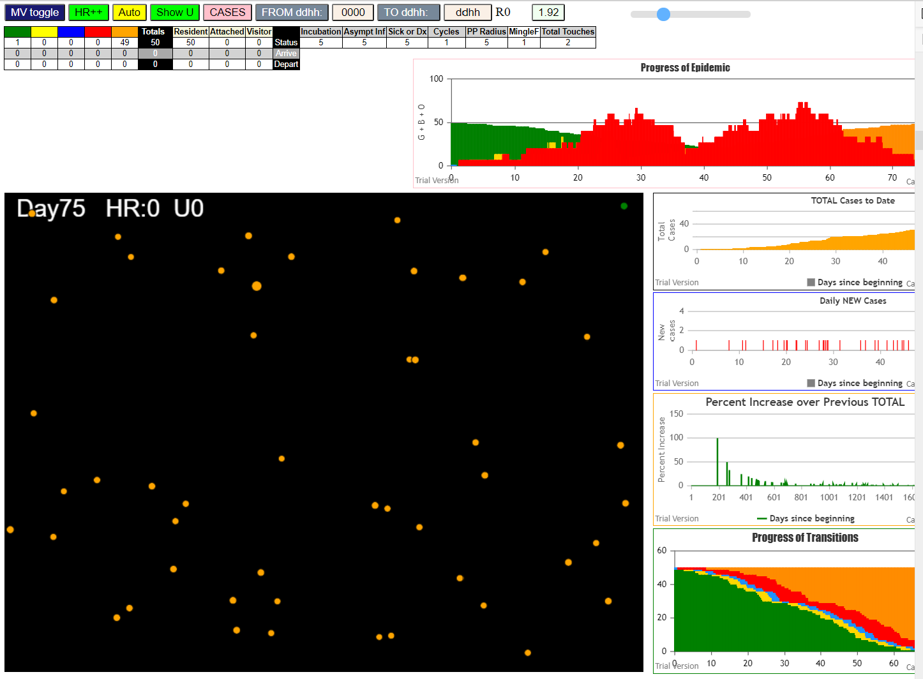
simulation.js:2006 3I i:famKey 3:-1 infected by red j:famKey 10:-1 at gen 161 in U0
simulation.js:1990 4I j:famKey 32:-1 infected by red i:famKey 1:-1 at gen 249 in Univ0
simulation.js:1990 5I j:famKey 23:-1 infected by red i:famKey 1:-1 at gen 302 in Univ0
simulation.js:1990 6I j:famKey 37:-1 infected by red i:famKey 28:-1 at gen 325 in Univ0
simulation.js:2006 7I i:famKey 16:-1 infected by blue j:famKey 32:-1 at gen 357 in U0
simulation.js:1990 8I j:famKey 46:-1 infected by blue i:famKey 32:-1 at gen 363 in Univ0
simulation.js:2006 9I i:famKey 8:-1 infected by red j:famKey 28:-1 at gen 371 in U0
simulation.js:1990 10I j:famKey 7:-1 infected by red i:famKey 3:-1 at gen 414 in Univ0
simulation.js:1990 10I j:famKey 41:-1 infected by red i:famKey 32:-1 at gen 415 in Univ0
simulation.js:2006 12I i:famKey 2:-1 infected by red j:famKey 23:-1 at gen 457 in U0
simulation.js:2006 13I i:famKey 18:-1 infected by red j:famKey 32:-1 at gen 472 in U0
simulation.js:1990 14I j:famKey 47:-1 infected by red i:famKey 23:-1 at gen 536 in Univ0
simulation.js:2006 15I i:famKey 13:-1 infected by red j:famKey 46:-1 at gen 549 in U0
simulation.js:1990 16I j:famKey 34:-1 infected by blue i:famKey 18:-1 at gen 558 in Univ0
simulation.js:1990 17I j:famKey 27:-1 infected by blue i:famKey 18:-1 at gen 567 in Univ0
simulation.js:1990 18I j:famKey 49:-1 infected by red i:famKey 37:-1 at gen 575 in Univ0
simulation.js:2006 19I i:famKey 6:-1 infected by blue j:famKey 18:-1 at gen 581 in U0
simulation.js:1990 20I j:famKey 29:-1 infected by red i:famKey 18:-1 at gen 644 in Univ0
simulation.js:2006 21I i:famKey 17:-1 infected by red j:famKey 18:-1 at gen 747 in U0
simulation.js:1990 22I j:famKey 12:-1 infected by red i:famKey 6:-1 at gen 769 in Univ0
simulation.js:2006 23I i:famKey 45:-1 infected by red j:famKey 47:-1 at gen 817 in U0
simulation.js:1990 24I j:famKey 31:-1 infected by red i:famKey 27:-1 at gen 826 in Univ0
simulation.js:1990 25I j:famKey 22:-1 infected by red i:famKey 17:-1 at gen 880 in Univ0
simulation.js:1990 26I j:famKey 21:-1 infected by red i:famKey 12:-1 at gen 911 in Univ0
simulation.js:2006 27I i:famKey 35:-1 infected by blue j:famKey 45:-1 at gen 932 in U0
simulation.js:2006 28I i:famKey 20:-1 infected by red j:famKey 45:-1 at gen 960 in U0
simulation.js:2006 28I i:famKey 4:-1 infected by red j:famKey 17:-1 at gen 961 in U0
simulation.js:2006 30I i:famKey 15:-1 infected by red j:famKey 17:-1 at gen 991 in U0
simulation.js:2006 31I i:famKey 5:-1 infected by red j:famKey 31:-1 at gen 1045 in U0
simulation.js:1990 32I j:famKey 43:-1 infected by red i:famKey 21:-1 at gen 1052 in Univ0
simulation.js:2006 33I i:famKey 39:-1 infected by red j:famKey 45:-1 at gen 1074 in U0
simulation.js:1990 34I j:famKey 36:-1 infected by red i:famKey 21:-1 at gen 1082 in Univ0
simulation.js:1990 35I j:famKey 42:-1 infected by red i:famKey 21:-1 at gen 1115 in Univ0
simulation.js:1990 36I j:famKey 24:-1 infected by red i:famKey 20:-1 at gen 1137 in Univ0
simulation.js:1990 37I j:famKey 30:-1 infected by blue i:famKey 5:-1 at gen 1143 in Univ0
simulation.js:2006 38I i:famKey 11:-1 infected by red j:famKey 22:-1 at gen 1155 in U0
simulation.js:1990 39I j:famKey 44:-1 infected by blue i:famKey 39:-1 at gen 1187 in Univ0
simulation.js:2006 40I i:famKey 0:-1 infected by blue j:famKey 36:-1 at gen 1193 in U0
simulation.js:2006 40I i:famKey 9:-1 infected by blue j:famKey 36:-1 at gen 1194 in U0
simulation.js:1990 42I j:famKey 40:-1 infected by blue i:famKey 11:-1 at gen 1229 in Univ0
simulation.js:2006 43I i:famKey 26:-1 infected by red j:famKey 39:-1 at gen 1277 in U0
simulation.js:2006 44I i:famKey 25:-1 infected by red j:famKey 44:-1 at gen 1327 in U0
simulation.js:1990 45I j:famKey 48:-1 infected by blue i:famKey 40:-1 at gen 1341 in Univ0
simulation.js:2006 46I i:famKey 33:-1 infected by red j:famKey 44:-1 at gen 1380 in U0
simulation.js:2006 47I i:famKey 38:-1 infected by red j:famKey 40:-1 at gen 1458 in U0
simulation.js:2006 48I i:famKey 19:-1 infected by red j:famKey 40:-1 at gen 1489 in U0

40
simulation.js:4150 exit covidSim
simulation.js:23 getAsText File {name: "40 AgentsU0mF1.csv", lastModified: 1608079898000, lastModifiedDate: Tue Dec 15 2020 16:51:38 GMT-0800 (Pacific Standard Time), webkitRelativePath: "", size: 880, …}
simulation.js:32 File {name: "40 AgentsU0mF1.csv", lastModified: 1608079898000, lastModifiedDate: Tue Dec 15 2020 16:51:38 GMT-0800 (Pacific Standard Time), webkitRelativePath: "", size: 880, …}
simulation.js:23 getAsText File {name: "VL1.csv", lastModified: 1603760180000, lastModifiedDate: Mon Oct 26 2020 17:56:20 GMT-0700 (Pacific Daylight Time), webkitRelativePath: "", size: 66, …}
simulation.js:32 File {name: "VL1.csv", lastModified: 1603760180000, lastModifiedDate: Mon Oct 26 2020 17:56:20 GMT-0700 (Pacific Daylight Time), webkitRelativePath: "", size: 66, …}
simulation.js:1990 1I j:famKey 33:-1 infected by blue i:famKey 10:-1 at gen 18 in Univ0
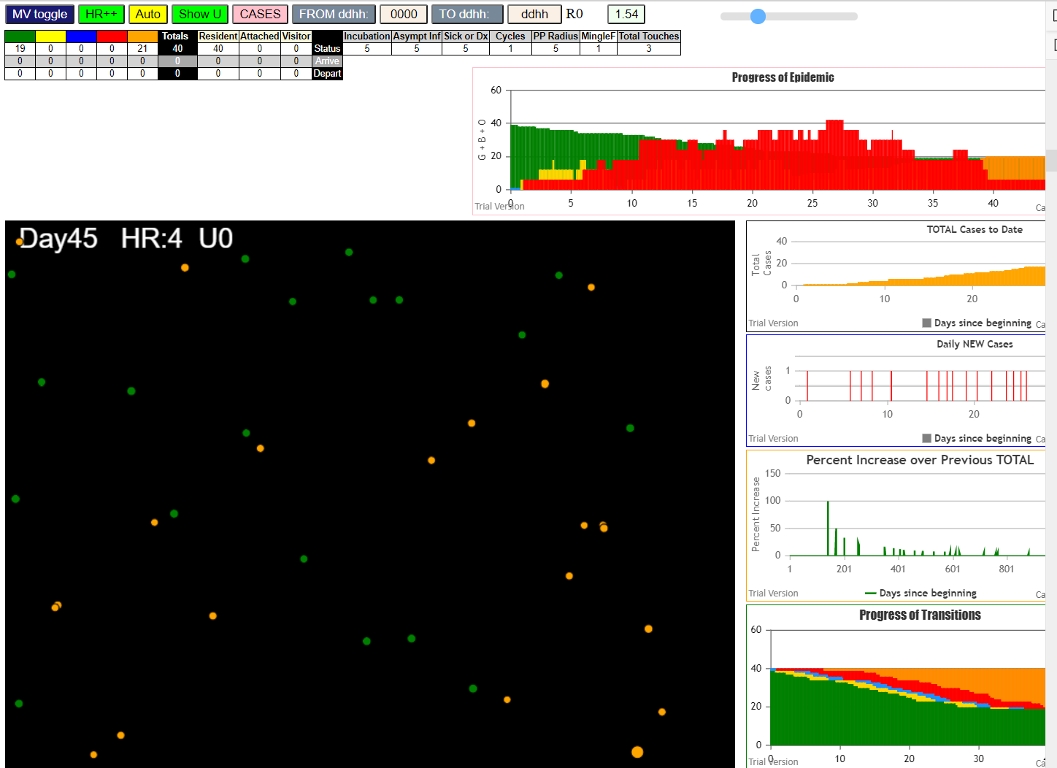
simulation.js:1990 2I j:famKey 24:-1 infected by red i:famKey 10:-1 at gen 54 in Univ0
simulation.js:2006 3I i:famKey 5:-1 infected by red j:famKey 10:-1 at gen 82 in U0
simulation.js:2006 4I i:famKey 6:-1 infected by blue j:famKey 24:-1 at gen 129 in U0
simulation.js:2006 5I i:famKey 18:-1 infected by blue j:famKey 33:-1 at gen 137 in U0
simulation.js:1990 6I j:famKey 35:-1 infected by blue i:famKey 6:-1 at gen 227 in Univ0
simulation.js:1990 7I j:famKey 20:-1 infected by red i:famKey 5:-1 at gen 269 in Univ0
simulation.js:2006 8I i:famKey 11:-1 infected by red j:famKey 24:-1 at gen 290 in U0
simulation.js:1990 9I j:famKey 37:-1 infected by red i:famKey 5:-1 at gen 303 in Univ0
simulation.js:2006 10I i:famKey 2:-1 infected by blue j:famKey 20:-1 at gen 344 in U0
simulation.js:1990 11I j:famKey 36:-1 infected by red i:famKey 6:-1 at gen 373 in Univ0
simulation.js:2006 12I i:famKey 22:-1 infected by blue j:famKey 37:-1 at gen 407 in U0
simulation.js:1990 13I j:famKey 12:-1 infected by blue i:famKey 2:-1 at gen 447 in Univ0
simulation.js:1990 14I j:famKey 39:-1 infected by red i:famKey 11:-1 at gen 471 in Univ0
simulation.js:1990 15I j:famKey 7:-1 infected by red i:famKey 2:-1 at gen 489 in Univ0
simulation.js:2006 16I i:famKey 28:-1 infected by red j:famKey 37:-1 at gen 505 in U0
simulation.js:1990 17I j:famKey 15:-1 infected by blue i:famKey 7:-1 at gen 600 in Univ0
simulation.js:1990 18I j:famKey 21:-1 infected by red i:famKey 12:-1 at gen 642 in Univ0
simulation.js:2006 19I i:famKey 16:-1 infected by red j:famKey 36:-1 at gen 648 in U0
simulation.js:1990 20I j:famKey 32:-1 infected by red i:famKey 21:-1 at gen 762 in Univ0

30
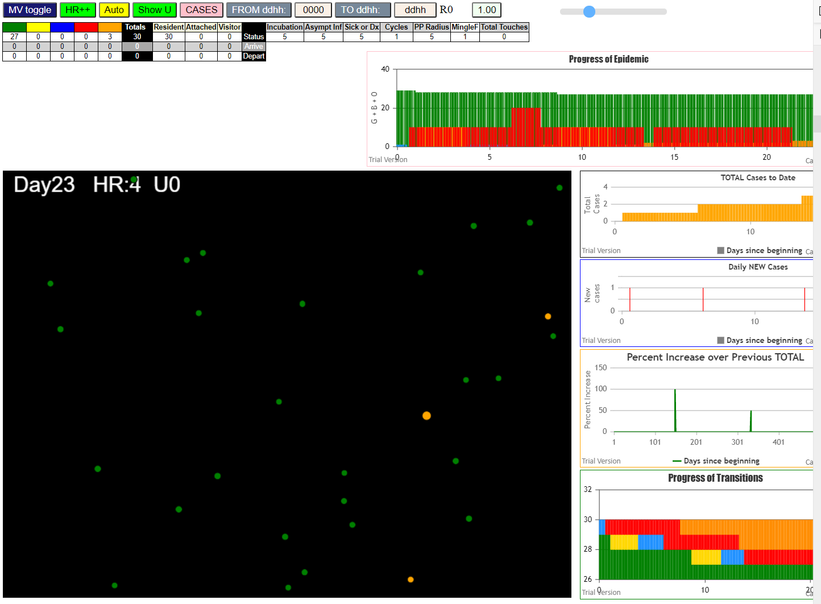
1I i:famKey 1:-1 infected by red j:famKey 10:-1 at gen 26 in U0
simulation.js:1990 2I j:famKey 9:-1 infected by red i:famKey 1:-1 at gen 210 in Univ0

20
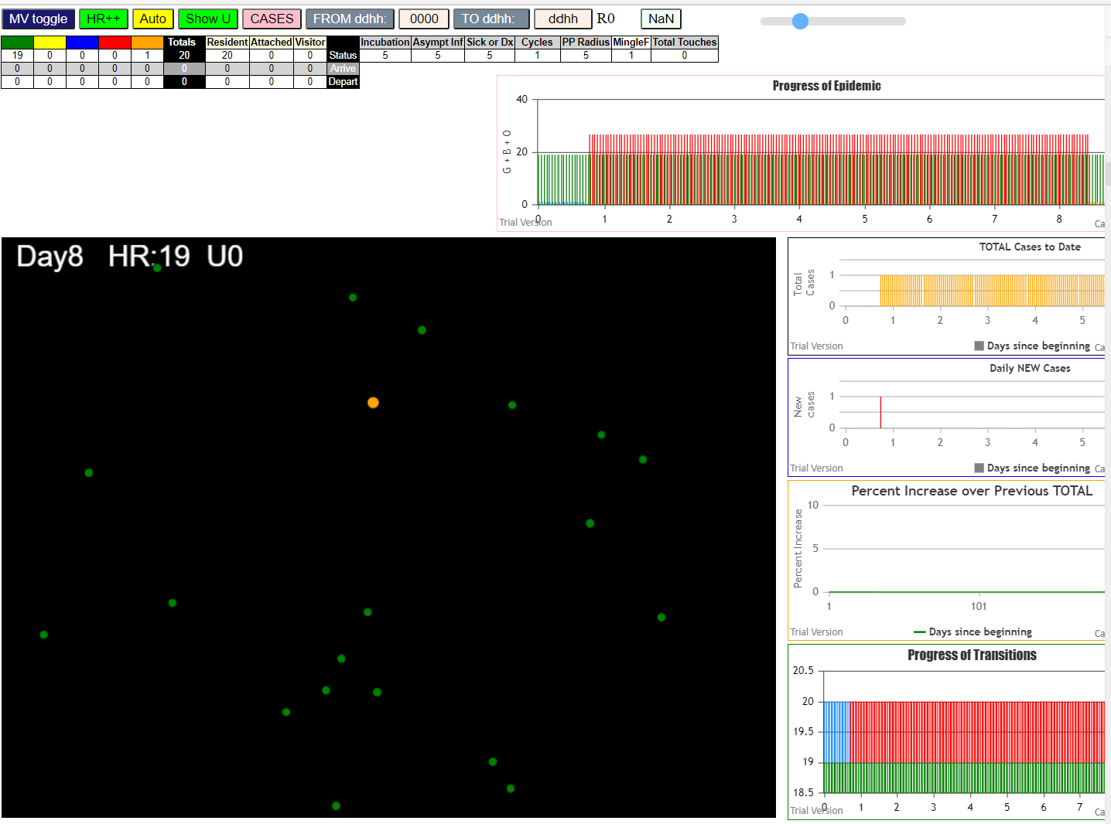
none
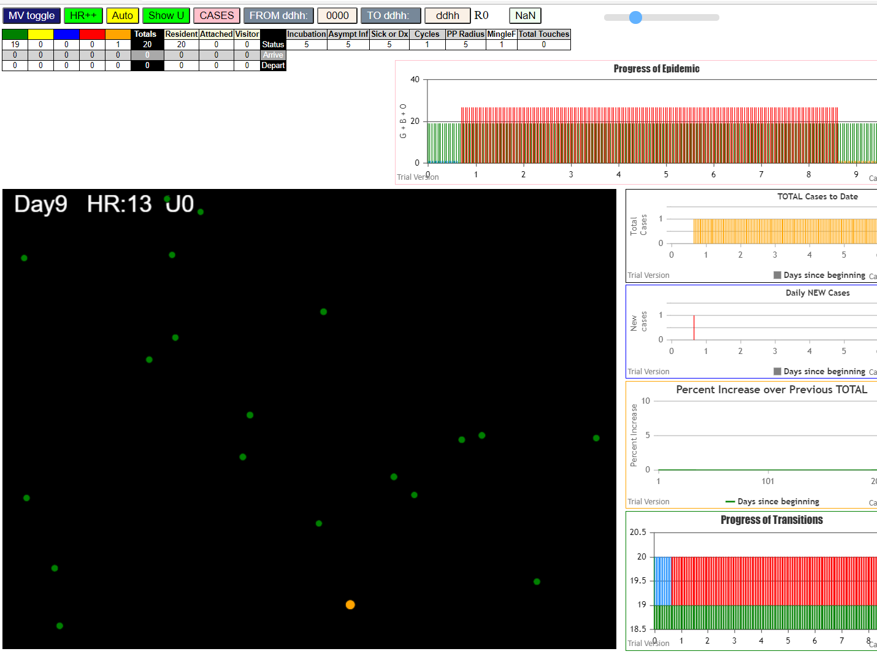

File {name: "VL1.csv", lastModified: 1608081530000, lastModifiedDate: Tue Dec 15 2020 17:18:50 GMT-0800 (Pacific Standard Time), webkitRelativePath: "", size: 65, …}
simulation.js:2006 1I i:famKey 4:-1 infected by red j:famKey 5:-1 at gen 174 in U0

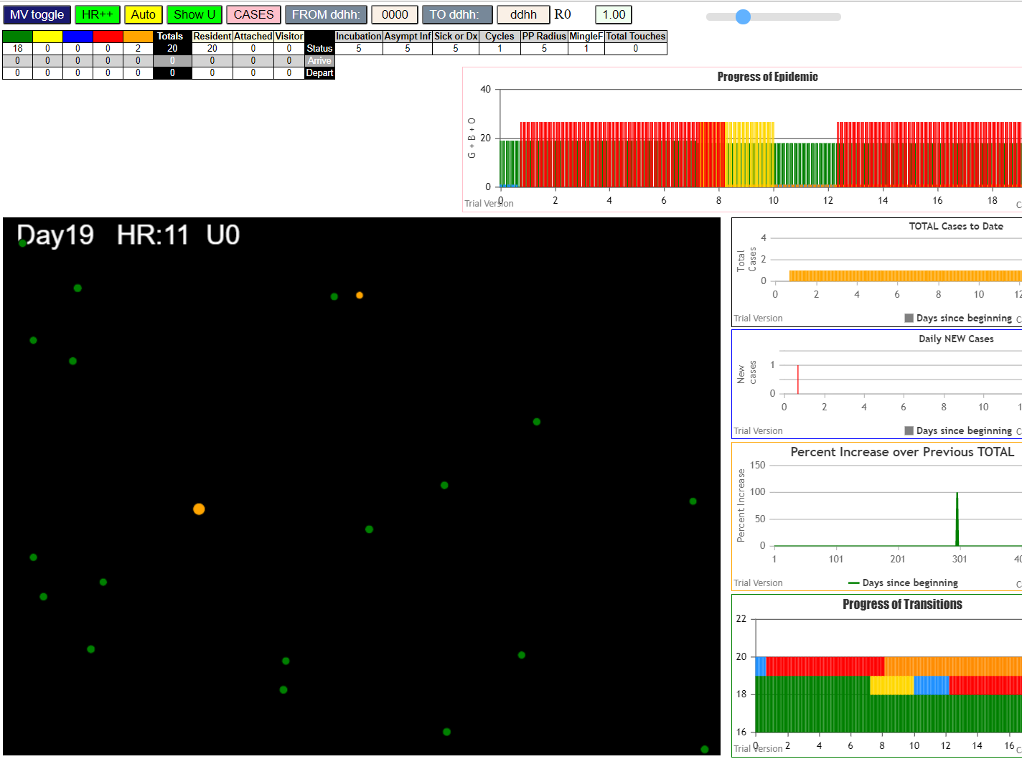

File {name: "VL1.csv", lastModified: 1608081530000, lastModifiedDate: Tue Dec 15 2020 17:18:50 GMT-0800 (Pacific Standard Time), webkitRelativePath: "", size: 65, …}
simulation.js:2006 1I i:famKey 1:-1 infected by red j:famKey 5:-1 at gen 42 in U0
simulation.js:1990 2I j:famKey 11:-1 infected by red i:famKey 5:-1 at gen 116 in Univ0
simulation.js:1990 3I j:famKey 10:-1 infected by red i:famKey 5:-1 at gen 153 in Univ0

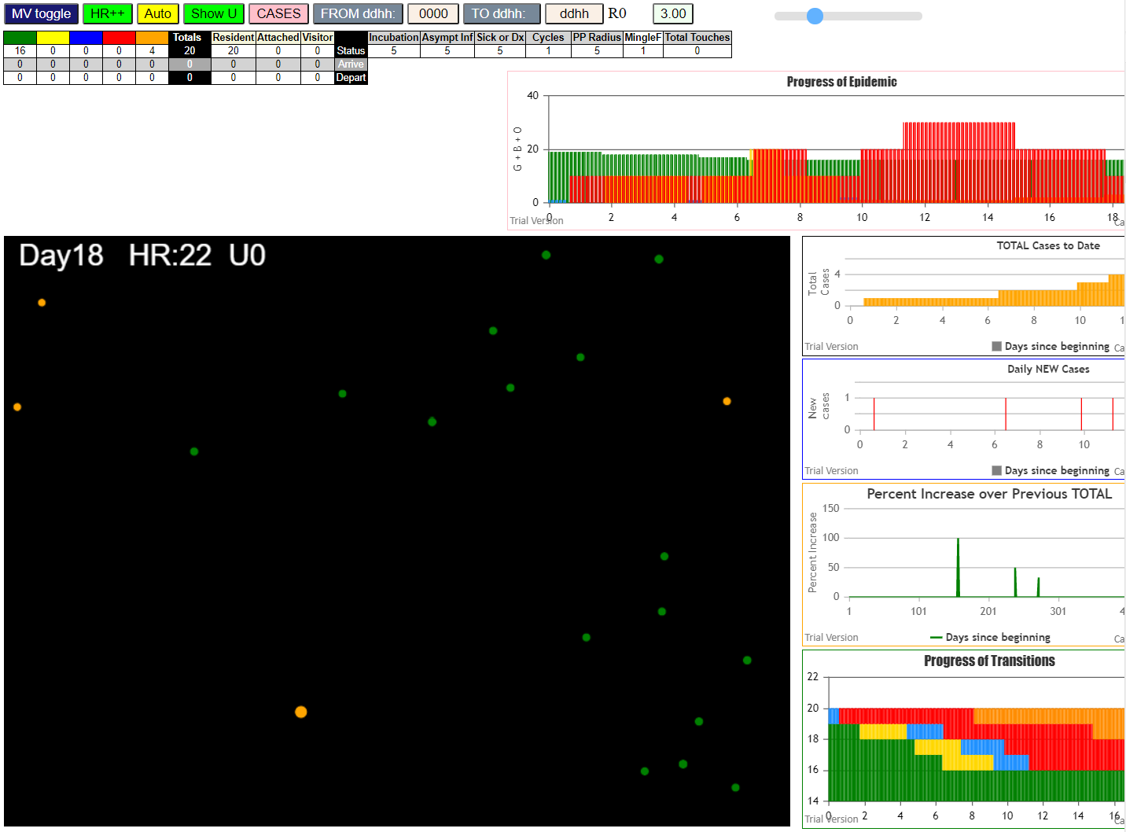

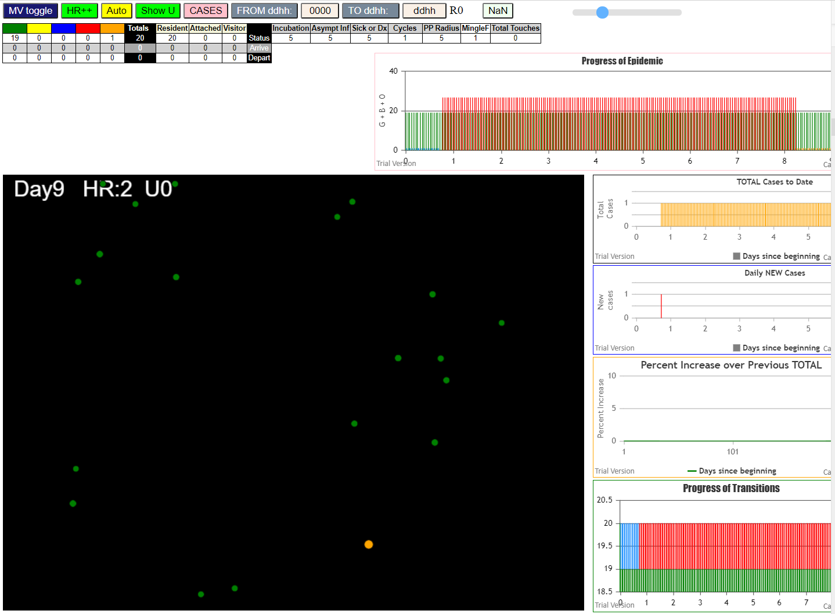

none

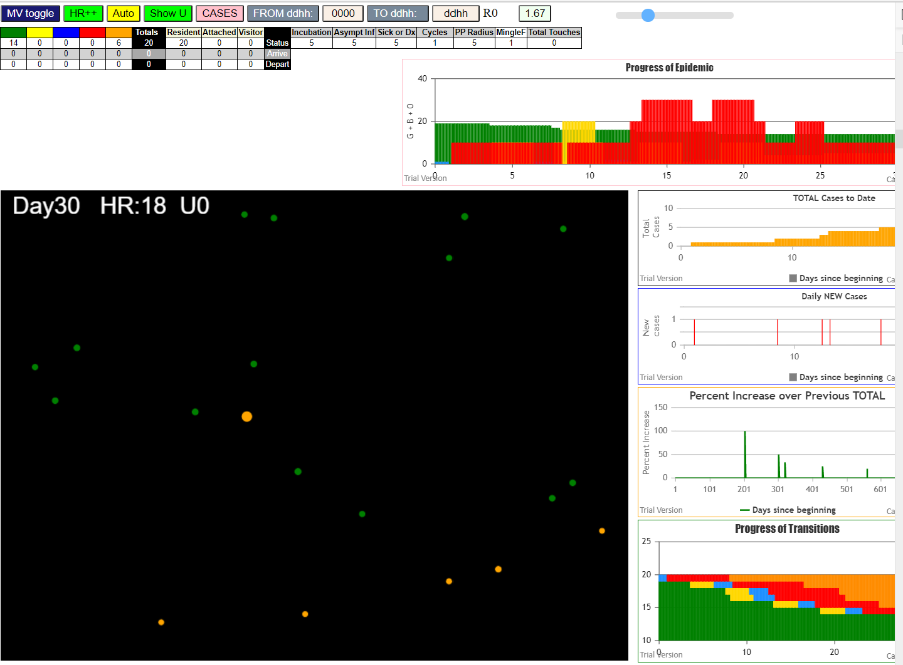
File {name: "VL1.csv", lastModified: 1608081530000, lastModifiedDate: Tue Dec 15 2020 17:18:50 GMT-0800 (Pacific Standard Time), webkitRelativePath: "", size: 65, …}
simulation.js:1990 1I j:famKey 13:-1 infected by red i:famKey 5:-1 at gen 86 in Univ0
simulation.js:2006 2I i:famKey 4:-1 infected by blue j:famKey 13:-1 at gen 183 in U0
simulation.js:1990 3I j:famKey 18:-1 infected by blue i:famKey 13:-1 at gen 197 in Univ0
simulation.js:2006 4I i:famKey 1:-1 infected by blue j:famKey 18:-1 at gen 314 in U0
simulation.js:2006 5I i:famKey 15:-1 infected by red j:famKey 18:-1 at gen 443 in U0

none

15
File {name: "VL1.csv", lastModified: 1608081530000, lastModifiedDate: Tue Dec 15 2020 17:18:50 GMT-0800 (Pacific Standard Time), webkitRelativePath: "", size: 65, …}
simulation.js:1990 1I j:famKey 6:-1 infected by red i:famKey 5:-1 at gen 56 in Univ0
simulation.js:1990 2I j:famKey 7:-1 infected by red i:famKey 5:-1 at gen 129 in Univ0
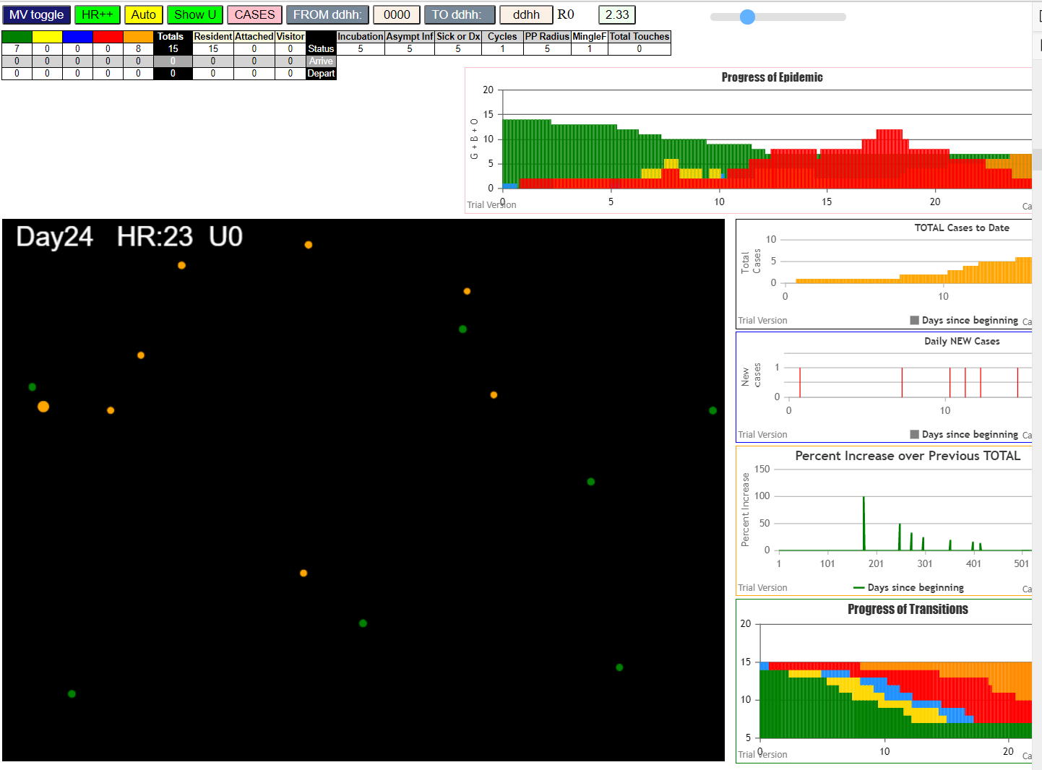
simulation.js:1990 3I j:famKey 12:-1 infected by red i:famKey 5:-1 at gen 153 in Univ0
simulation.js:1990 4I j:famKey 10:-1 infected by red i:famKey 5:-1 at gen 178 in Univ0
simulation.js:1990 5I j:famKey 11:-1 infected by blue i:famKey 7:-1 at gen 228 in Univ0
simulation.js:2006 6I i:famKey 1:-1 infected by red j:famKey 12:-1 at gen 278 in U0
simulation.js:1990 7I j:famKey 14:-1 infected by red i:famKey 7:-1 at gen 293 in Univ0

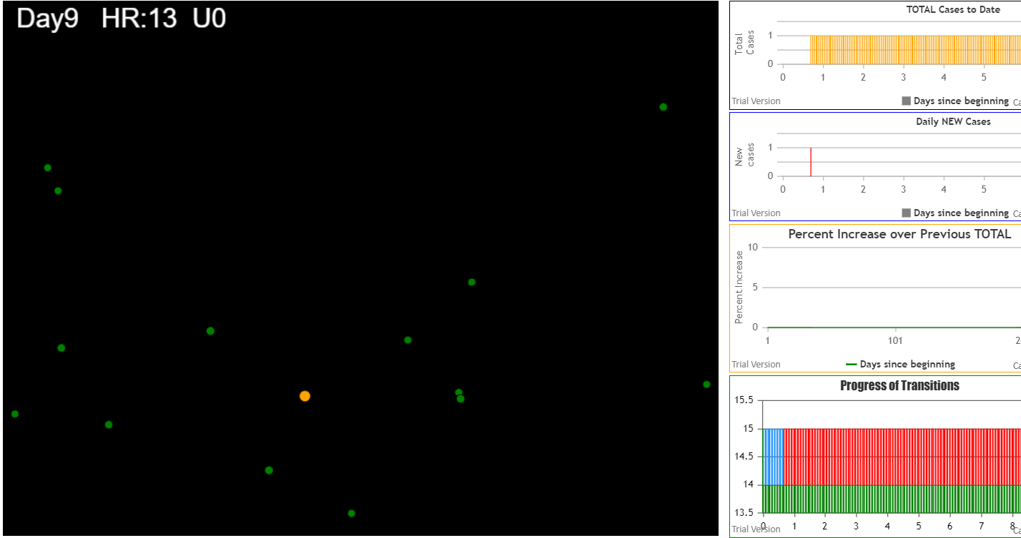
 |  | none

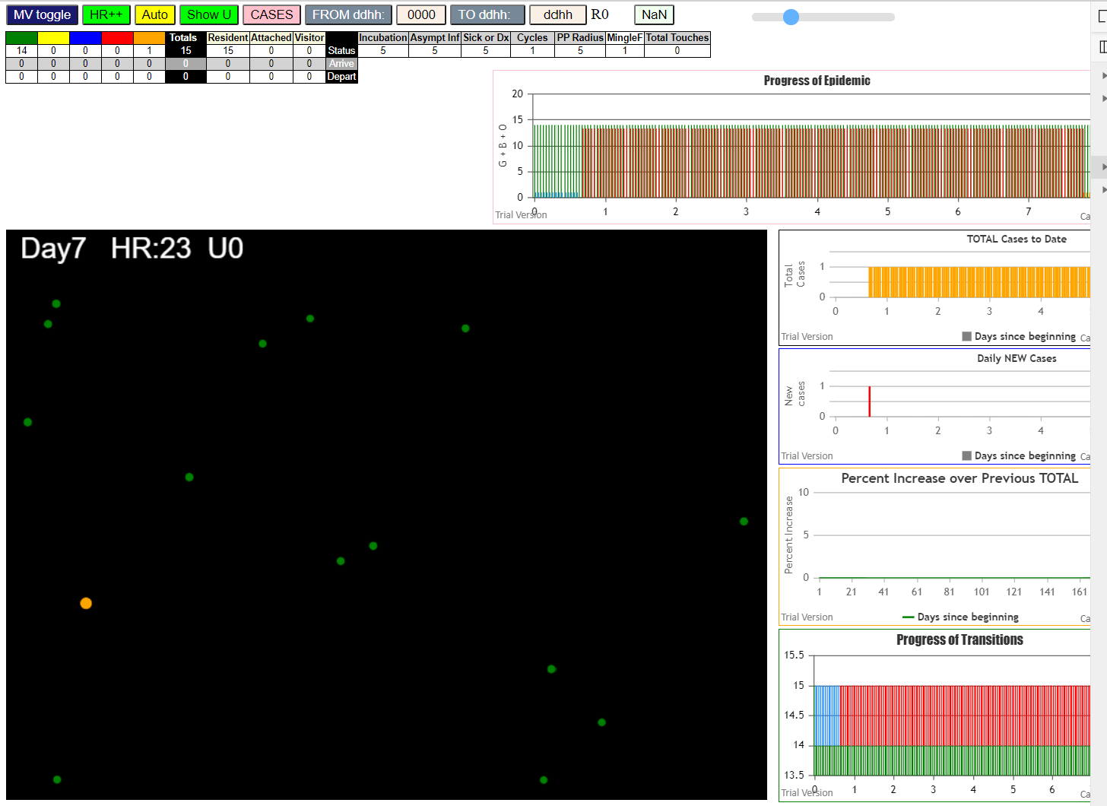
 | none

File {name: "VL1.csv", lastModified: 1608081530000, lastModifiedDate: Tue Dec 15 2020 17:18:50 GMT-0800 (Pacific Standard Time), webkitRelativePath: "", size: 65, …}
simulation.js:2006 1I i:famKey 2:-1 infected by red j:famKey 5:-1 at gen 55 in U0
simulation.js:1990 1I j:famKey 14:-1 infected by red i:famKey 5:-1 at gen 56 in Univ0
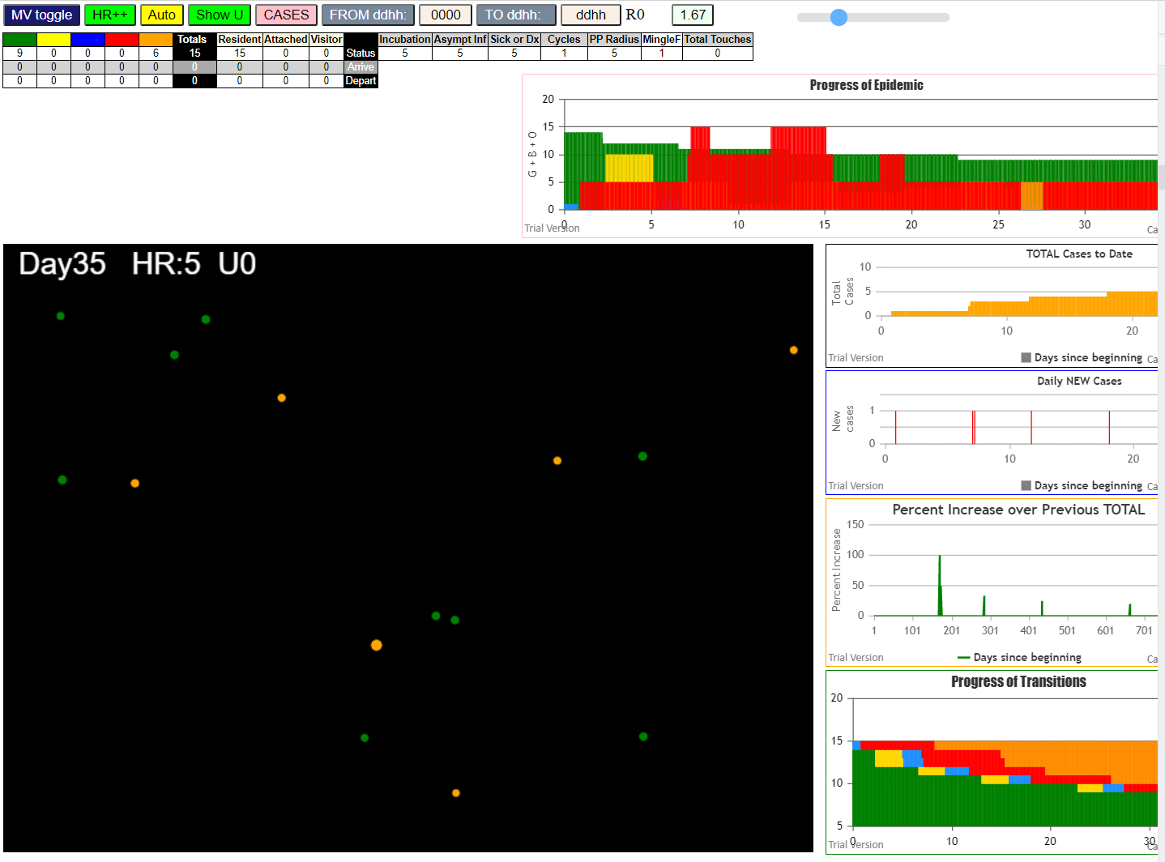
simulation.js:1990 3I j:famKey 9:-1 infected by red i:famKey 5:-1 at gen 160 in Univ0
simulation.js:2006 4I i:famKey 11:-1 infected by red j:famKey 14:-1 at gen 314 in U0
simulation.js:2006 5I i:famKey 3:-1 infected by red j:famKey 11:-1 at gen 547 in U0

12
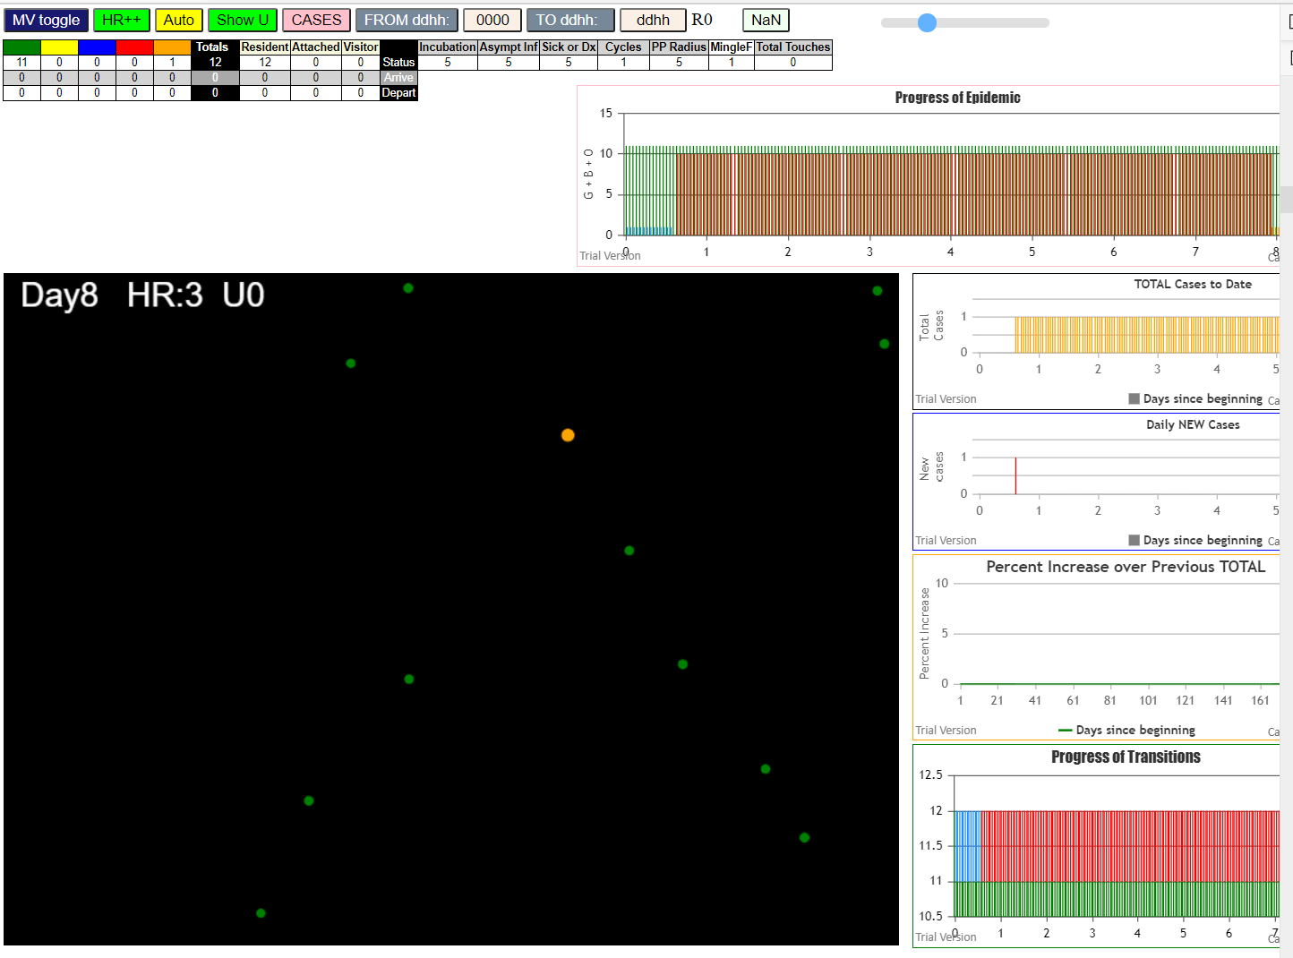

 |  | none

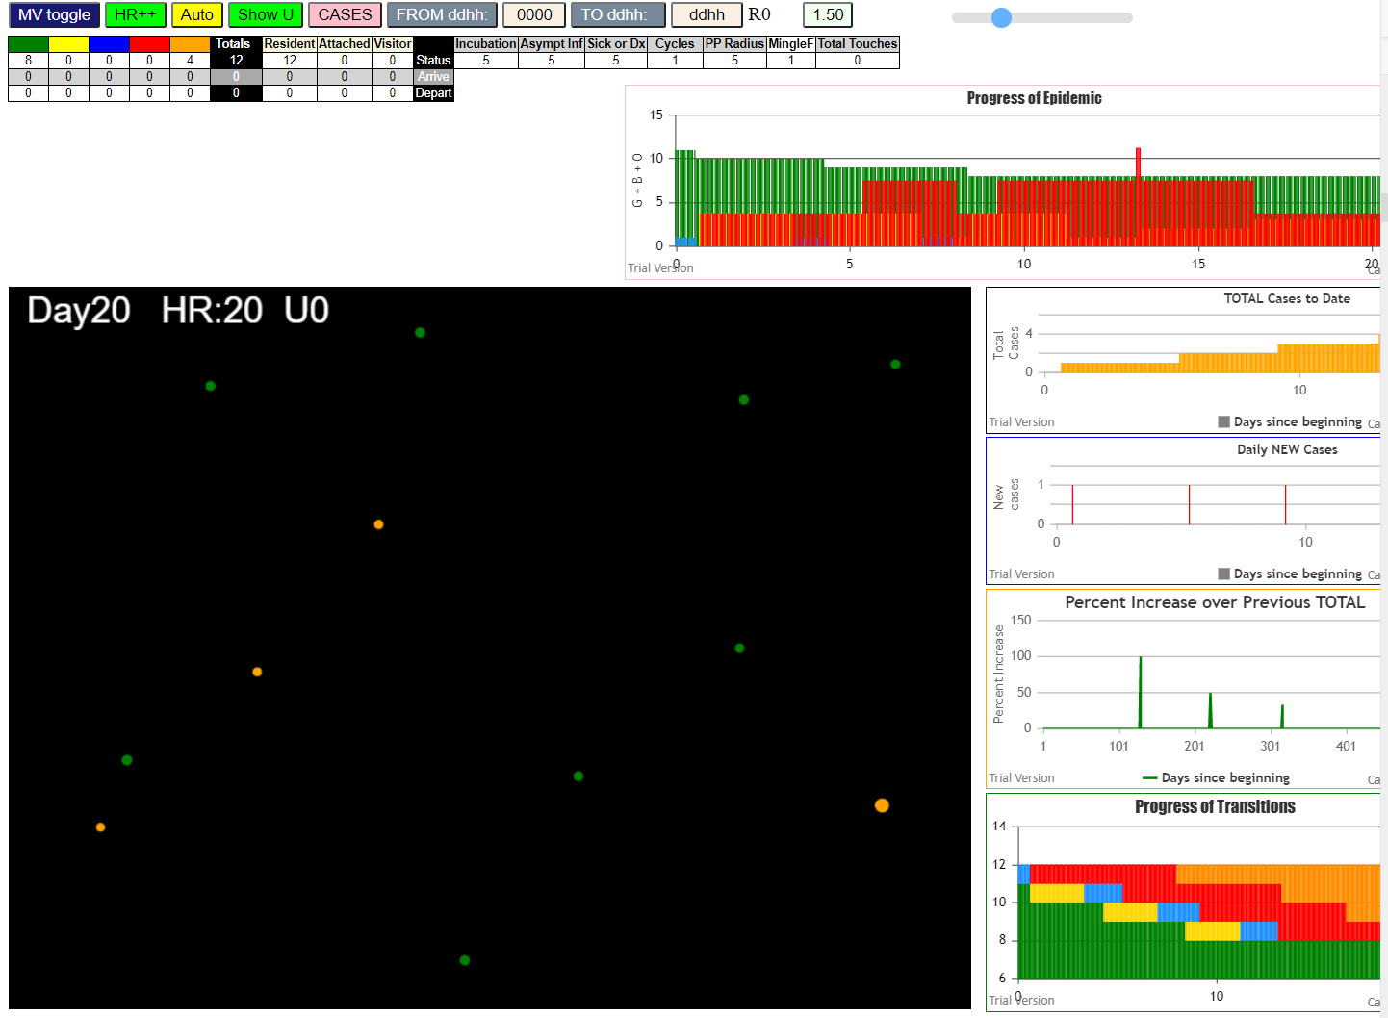

File {name: "VL1.csv", lastModified: 1608081530000, lastModifiedDate: Tue Dec 15 2020 17:18:50 GMT-0800 (Pacific Standard Time), webkitRelativePath: "", size: 65, …}
simulation.js:2006 1I i:famKey 3:-1 infected by blue j:famKey 5:-1 at gen 15 in U0
simulation.js:1990 2I j:famKey 11:-1 infected by red i:famKey 5:-1 at gen 104 in Univ0
simulation.js:2006 3I i:famKey 6:-1 infected by blue j:famKey 11:-1 at gen 203 in U0

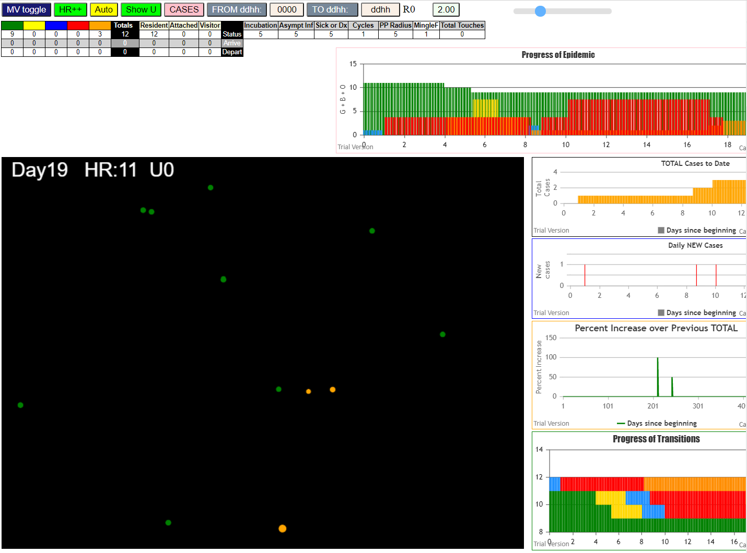

File {name: "VL1.csv", lastModified: 1608081530000, lastModifiedDate: Tue Dec 15 2020 17:18:50 GMT-0800 (Pacific Standard Time), webkitRelativePath: "", size: 65, …}
simulation.js:1990 1I j:famKey 8:-1 infected by red i:famKey 5:-1 at gen 97 in Univ0
simulation.js:1990 2I j:famKey 11:-1 infected by red i:famKey 5:-1 at gen 129 in Univ0

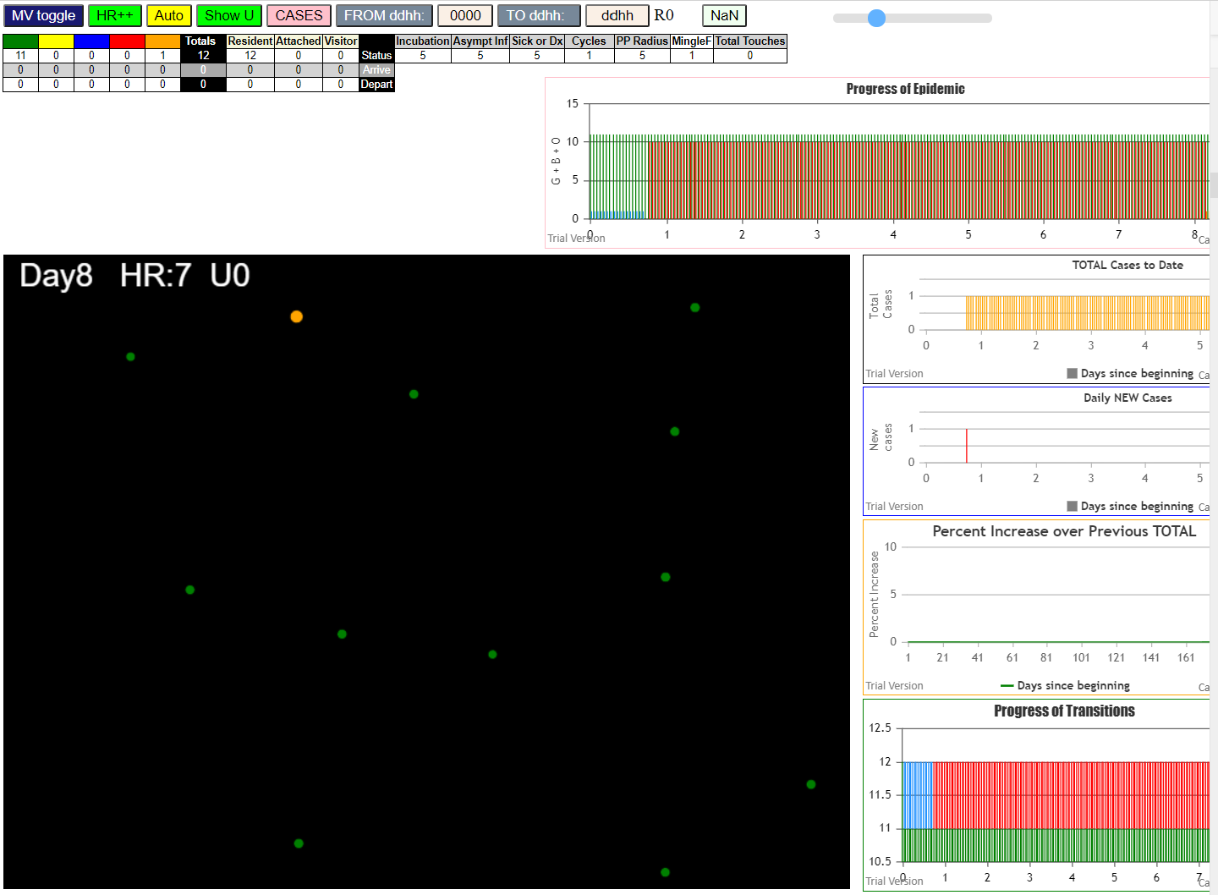
 | none

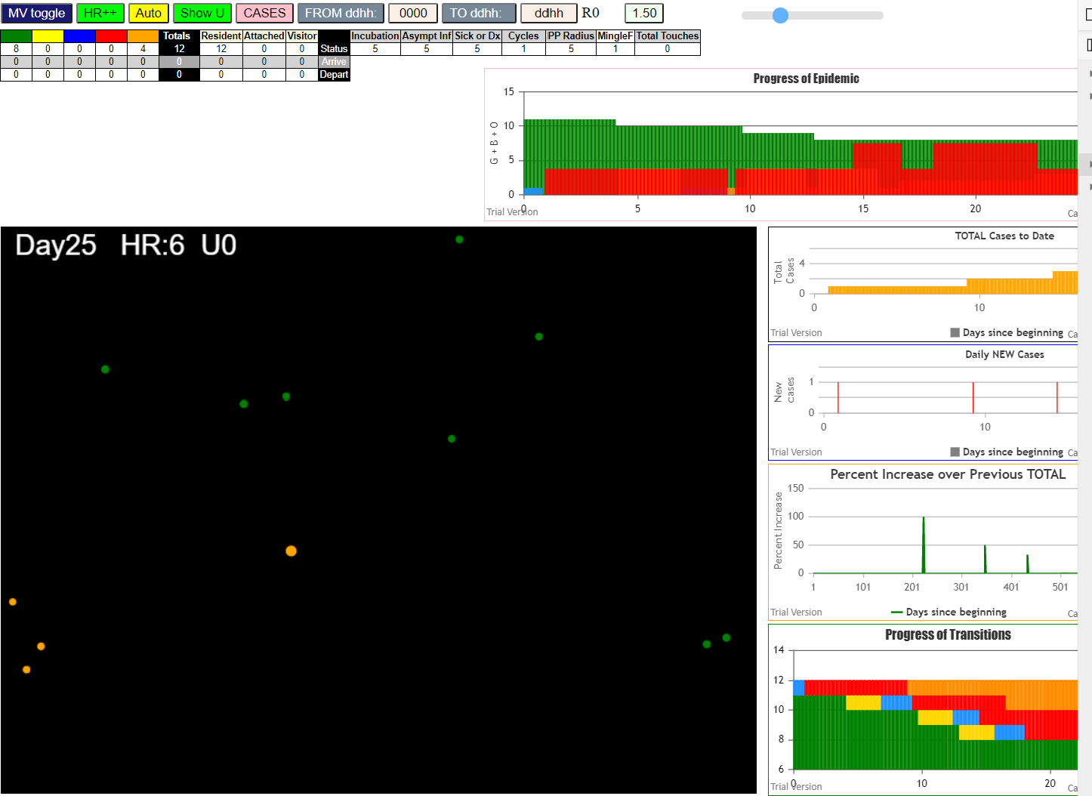
File {name: "VL1.csv", lastModified: 1608081530000, lastModifiedDate: Tue Dec 15 2020 17:18:50 GMT-0800 (Pacific Standard Time), webkitRelativePath: "", size: 65, …}
simulation.js:1990 1I j:famKey 6:-1 infected by red i:famKey 5:-1 at gen 99 in Univ0
simulation.js:1990 2I j:famKey 11:-1 infected by red i:famKey 6:-1 at gen 234 in Univ0
simulation.js:1990 3I j:famKey 7:-1 infected by red i:famKey 6:-1 at gen 310 in Univ0

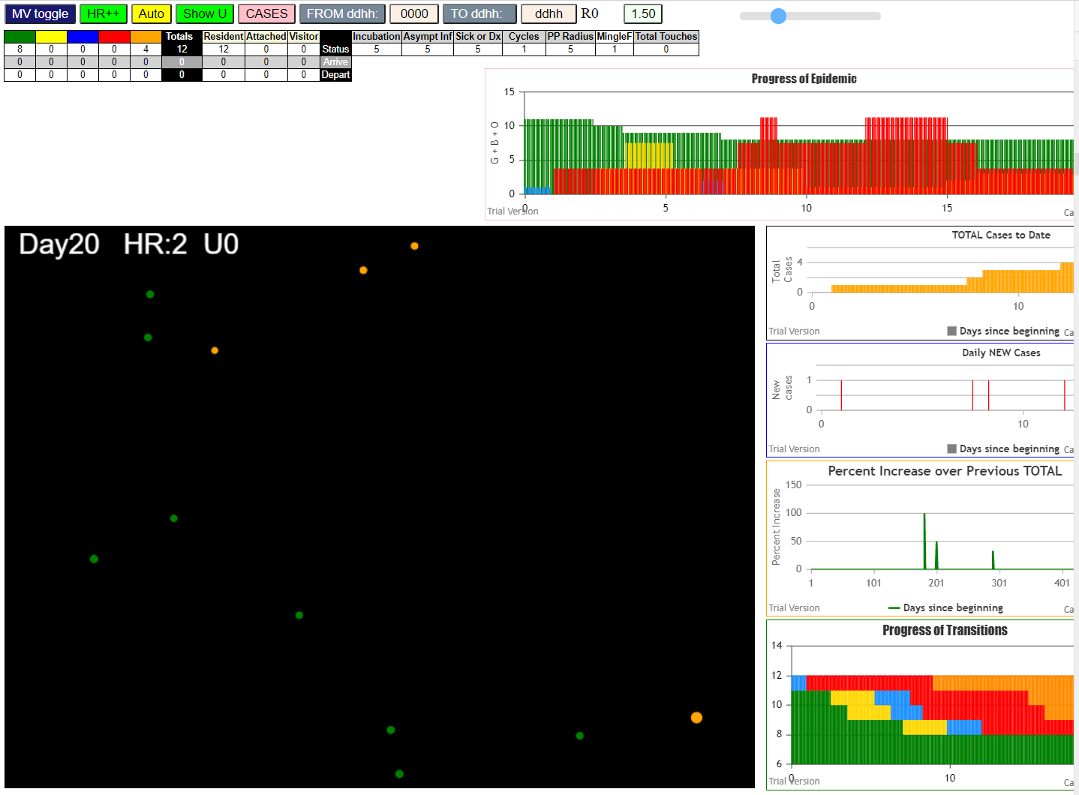
File {name: "VL1.csv", lastModified: 1608081530000, lastModifiedDate: Tue Dec 15 2020 17:18:50 GMT-0800 (Pacific Standard Time), webkitRelativePath: "", size: 65, …}
simulation.js:1990 1I j:famKey 7:-1 infected by red i:famKey 5:-1 at gen 60 in Univ0
simulation.js:1990 2I j:famKey 8:-1 infected by red i:famKey 5:-1 at gen 85 in Univ0
simulation.js:1990 3I j:famKey 9:-1 infected by blue i:famKey 7:-1 at gen 169 in Univ0

10
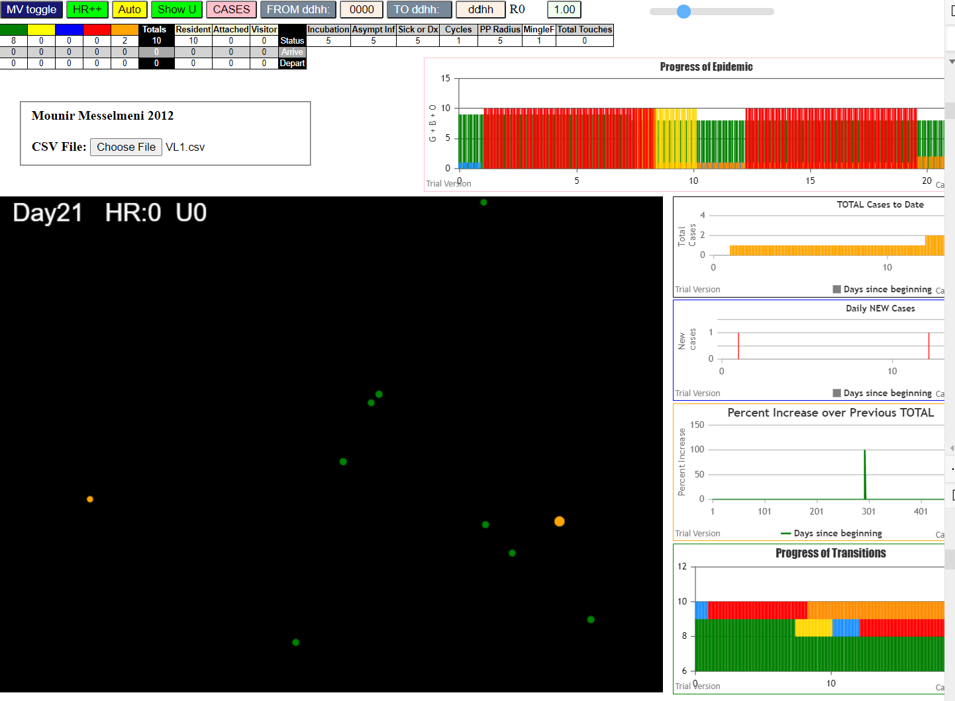
File {name: "VL1.csv", lastModified: 1608081530000, lastModifiedDate: Tue Dec 15 2020 17:18:50 GMT-0800 (Pacific Standard Time), webkitRelativePath: "", size: 65, …}
simulation.js:1990 1I j:famKey 8:-1 infected by red i:famKey 5:-1 at gen 178 in Univ0

